Техничка Herman
Артикул на этикетке | Style | Name | Группа | Категория | Коллекция | Сезон | фото | Brand name | Color | Цвет полный | материал верха | Тип материала верха | Пол (муж/жен/yнисекс) | O/S (53-63 см) | XS (53см) | XS/S (54см) | S (55 см) | S/M (56 см) | M (57 см) | M/L (58 см) | L (59 см) | L/XL (60 см) | XL (61 см) | XL/XXL (62 см) | XXL (63 см) | XXL/XXXL (64см) | XXXL (65см) | 49 | 51 | 53 | сумма | код страны | Name of manufacturer, it's address | Наименование страны-изготовителя: | Вес нетто | Вес брутто | Всего нетто | Всего брутто | Цена | Сумма
81-054-32 | TULUM |  | Шляпы | Шляпа федора | Herman | летний | 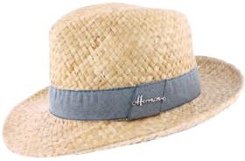 | Herman | DENIM | бежевый / синий | 100% солома | Плетёный | Мужской |  |  |  | 2 |  | 10 |  | 25 |  | 19 |  |  |  |  |  |  |  | 56 | CN | Name of manufacturer and its legal address: CHAPELLERIE HERMAN S.A., Rue Jean Meunier, 6, 6922 Wellin, Belgium; Brunch of manufacturer and its legal address: JIANGSU SOHO SILK & TEXTILE CO LTD, 48 NINGNAN Road, 210012 NANJING, CHINA | Китай | 0.1 | 0.15 | 5.6 | 8.4 | 497.70 ₽ | 27,871.20 ₽
80-786-02 | DON PEPPER |  | Шляпы | Шляпа трилби | Herman | летний | 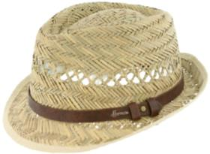 | Herman | NATURAL | бежевый | 100% солома | Плетёный | Мужской |  |  |  |  |  | 16 |  | 19 |  | 12 |  |  |  |  |  |  |  | 47 | CN | Name of manufacturer and its legal address: CHAPELLERIE HERMAN S.A., Rue Jean Meunier, 6, 6922 Wellin, Belgium; Brunch of manufacturer and its legal address: JIANGSU SOHO SILK & TEXTILE CO LTD, 48 NINGNAN Road, 210012 NANJING, CHINA | Китай | 0.1 | 0.15 | 4.7 | 7.05 | 434.70 ₽ | 20,430.90 ₽
80-820-16 | GLAZIC |  | Кепки | Кепка картуз | Herman | всесезон | 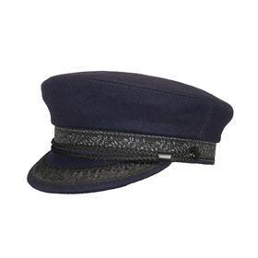 | Herman | NAVY | темно-синий | 50% шерсть - 50% полиэстер | Текстиль, ткань | Мужской |  |  |  | 5 |  | 10 |  | 13 |  | 6 |  |  |  |  |  |  |  | 34 | CN | Name of manufacturer and its legal address: CHAPELLERIE HERMAN S.A., Rue Jean Meunier, 6, 6922 Wellin, Belgium; Brunch of manufacturer and its legal address: JIANGSU SOHO SILK & TEXTILE CO LTD, 48 NINGNAN Road, 210012 NANJING, CHINA | Китай | 0.1 | 0.15 | 3.4 | 5.1 | 1,001.70 ₽ | 34,057.80 ₽
81-045-32 | COLMAN |  | Шляпы | Шляпа федора | Herman | летний | 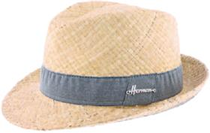 | Herman | DENIM | бежевый / синий | 100% солома | Плетёный | Мужской |  |  |  | 3 |  | 8 |  | 14 |  | 6 |  |  |  |  |  |  |  | 31 | CN | Name of manufacturer and its legal address: CHAPELLERIE HERMAN S.A., Rue Jean Meunier, 6, 6922 Wellin, Belgium; Brunch of manufacturer and its legal address: JIANGSU SOHO SILK & TEXTILE CO LTD, 48 NINGNAN Road, 210012 NANJING, CHINA | Китай | 0.1 | 0.15 | 3.1 | 4.65 | 497.70 ₽ | 15,428.70 ₽
81-043-53 | BOATER |  | Шляпы | Шляпа канотье | Herman | летний |  | Herman | BLACK | бежевый / черный | 100% солома | Плетёный | Мужской |  |  |  |  |  | 10 |  | 12 |  |  |  |  |  |  |  |  |  | 22 | CN | Name of manufacturer and its legal address: CHAPELLERIE HERMAN S.A., Rue Jean Meunier, 6, 6922 Wellin, Belgium; Brunch of manufacturer and its legal address: JIANGSU SOHO SILK & TEXTILE CO LTD, 48 NINGNAN Road, 210012 NANJING, CHINA | Китай | 0.1 | 0.15 | 2.2 | 3.3 | 560.70 ₽ | 12,335.40 ₽
81-047-02 | GRINGO |  | Шляпы | Шляпа федора | Herman | летний | 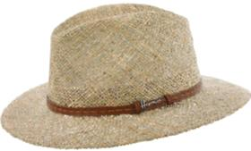 | Herman | NATURAL | бежевый | 100% солома | Плетёный | Мужской |  |  |  |  |  |  |  | 3 |  | 3 |  |  |  |  |  |  |  | 6 | CN | Name of manufacturer and its legal address: CHAPELLERIE HERMAN S.A., Rue Jean Meunier, 6, 6922 Wellin, Belgium; Brunch of manufacturer and its legal address: JIANGSU SOHO SILK & TEXTILE CO LTD, 48 NINGNAN Road, 210012 NANJING, CHINA | Китай | 0.1 | 0.15 | 0.6 | 0.9 | 1,001.70 ₽ | 6,010.20 ₽
80-941-19 | KITE |  | Бейсболки | Бейсболка | Herman | летний | 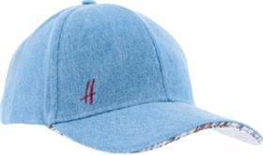 | Herman | BLUE | голубой | 100% хлопок | Текстиль, ткань | Унисекс |  |  |  |  |  |  |  | 20 |  |  |  |  |  |  |  |  |  | 20 | CN | Name of manufacturer and its legal address: CHAPELLERIE HERMAN S.A., Rue Jean Meunier, 6, 6922 Wellin, Belgium; Brunch of manufacturer and its legal address: JIANGSU SOHO SILK & TEXTILE CO LTD, 48 NINGNAN Road, 210012 NANJING, CHINA | Китай | 0.1 | 0.15 | 2 | 3 | 497.70 ₽ | 9,954.00 ₽
81-036-08 | CREEK |  | Панамы | Панама | Herman | всесезон | 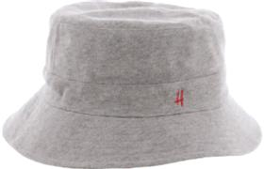 | Herman | GREY | серый | 100% хлопок | Текстиль, ткань | Мужской |  |  |  | 10 |  | 27 |  | 32 |  | 7 |  |  |  |  |  |  |  | 76 | CN | Name of manufacturer and its legal address: CHAPELLERIE HERMAN S.A., Rue Jean Meunier, 6, 6922 Wellin, Belgium; Brunch of manufacturer and its legal address: JIANGSU SOHO SILK & TEXTILE CO LTD, 48 NINGNAN Road, 210012 NANJING, CHINA | Китай | 0.1 | 0.15 | 7.6 | 11.4 | 812.70 ₽ | 61,765.20 ₽
81-036-16 | CREEK |  | Панамы | Панама | Herman | всесезон | 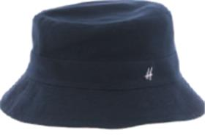 | Herman | NAVY | темно-синий | 100% хлопок | Текстиль, ткань | Мужской |  |  |  | 11 |  | 30 |  | 33 |  | 6 |  |  |  |  |  |  |  | 80 | CN | Name of manufacturer and its legal address: CHAPELLERIE HERMAN S.A., Rue Jean Meunier, 6, 6922 Wellin, Belgium; Brunch of manufacturer and its legal address: JIANGSU SOHO SILK & TEXTILE CO LTD, 48 NINGNAN Road, 210012 NANJING, CHINA | Китай | 0.1 | 0.15 | 8 | 12 | 812.70 ₽ | 65,016.00 ₽
81-036-09 | CREEK |  | Панамы | Панама | Herman | всесезон | 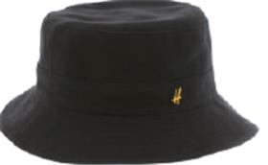 | Herman | BLACK | черный | 100% хлопок | Текстиль, ткань | Мужской |  |  |  | 10 |  | 30 |  | 31 |  | 14 |  |  |  |  |  |  |  | 85 | CN | Name of manufacturer and its legal address: CHAPELLERIE HERMAN S.A., Rue Jean Meunier, 6, 6922 Wellin, Belgium; Brunch of manufacturer and its legal address: JIANGSU SOHO SILK & TEXTILE CO LTD, 48 NINGNAN Road, 210012 NANJING, CHINA | Китай | 0.1 | 0.15 | 8.5 | 12.75 | 812.70 ₽ | 69,079.50 ₽
80-161-08 | CONQUEST SWEAT |  | Бейсболки | Бейсболка | Herman | летний | 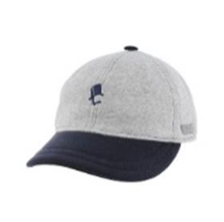 | Herman | GREY | серый | 100% хлопок | Текстиль, ткань | Унисекс |  |  |  |  |  | 1 |  |  | 2 | 1 |  |  |  |  |  |  |  | 4 | IT | Name of manufacturer and its legal address: CHAPELLERIE HERMAN S.A., Rue Jean Meunier, 6, 6922 Wellin, Belgium; Brunch of manufacturer and its legal address: HATS & BROTHERS, VIA PROL. ETNA 116/118 VIA RIETI N.26, 80026, CASORIA (NA), ITALY | Италия | 0.1 | 0.15 | 0.4 | 0.6 | 315.00 ₽ | 1,260.00 ₽
80-161-07 | CONQUEST SWEAT |  | Бейсболки | Бейсболка | Herman | всесезон | 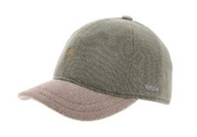 | Herman | GREEN | зеленый | 100% хлопок | Текстиль, ткань | Унисекс |  |  |  |  | 6 |  | 1 | 1 | 4 |  | 1 |  |  |  |  |  |  | 13 | IT | Name of manufacturer and its legal address: CHAPELLERIE HERMAN S.A., Rue Jean Meunier, 6, 6922 Wellin, Belgium; Brunch of manufacturer and its legal address: HATS & BROTHERS, VIA PROL. ETNA 116/118 VIA RIETI N.26, 80026, CASORIA (NA), ITALY | Италия | 0.1 | 0.15 | 1.3 | 1.95 | 315.00 ₽ | 4,095.00 ₽
80-805-12 | BARBEAU |  | Кепки | Кепка уточка | Herman | всесезон | 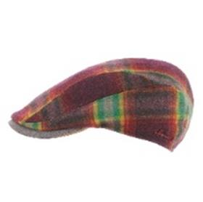 | Herman | BURGUNDY | бордовый | 50% шерсть - 50% полиэстер | Текстиль, ткань | Унисекс |  |  |  | 1 |  | 2 |  | 2 |  | 1 |  |  |  |  |  |  |  | 6 | CN | Name of manufacturer and its legal address: CHAPELLERIE HERMAN S.A., Rue Jean Meunier, 6, 6922 Wellin, Belgium; Brunch of manufacturer and its legal address: JIANGSU SOHO SILK & TEXTILE CO LTD, 48 NINGNAN Road, 210012 NANJING, CHINA | Китай | 0.1 | 0.15 | 0.6 | 0.9 | 270.00 ₽ | 1,620.00 ₽
80-632-08 | DISPATCH 002 |  | Кепки | Кепка уточка | Herman | всесезон | 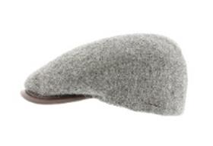 | Herman | GREY | серый | 100% шерсть | Текстиль, ткань | Унисекс |  |  |  | 6 | 2 |  |  | 18 |  |  |  |  |  |  |  |  |  | 26 | IT | Name of manufacturer and its legal address: CHAPELLERIE HERMAN S.A., Rue Jean Meunier, 6, 6922 Wellin, Belgium; Brunch of manufacturer and its legal address: HATS & BROTHERS, VIA PROL. ETNA 116/118 VIA RIETI N.26, 80026, CASORIA (NA), ITALY | Италия | 0.1 | 0.15 | 2.6 | 3.9 | 360.00 ₽ | 9,360.00 ₽
80-632-14 | DISPATCH 002 |  | Кепки | Кепка уточка | Herman | всесезон | 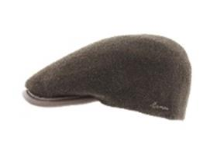 | Herman | BROWN | коричневый | 100% шерсть | Текстиль, ткань | Унисекс |  |  |  | 4 |  | 4 |  | 7 |  |  |  |  |  |  |  |  |  | 15 | IT | Name of manufacturer and its legal address: CHAPELLERIE HERMAN S.A., Rue Jean Meunier, 6, 6922 Wellin, Belgium; Brunch of manufacturer and its legal address: HATS & BROTHERS, VIA PROL. ETNA 116/118 VIA RIETI N.26, 80026, CASORIA (NA), ITALY | Италия | 0.1 | 0.15 | 1.5 | 2.25 | 360.00 ₽ | 5,400.00 ₽
80-633-08 | RANGE 003 |  | Кепки | Кепка уточка | Herman | всесезон | 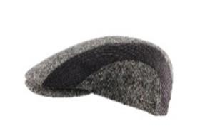 | Herman | GREY | серый | 50% шерсть - 45% полиэстер - 5% полиамид | Текстиль, ткань | Унисекс |  |  |  |  |  | 5 |  |  |  |  |  |  |  |  |  |  |  | 5 | IT | Name of manufacturer and its legal address: CHAPELLERIE HERMAN S.A., Rue Jean Meunier, 6, 6922 Wellin, Belgium; Brunch of manufacturer and its legal address: HATS & BROTHERS, VIA PROL. ETNA 116/118 VIA RIETI N.26, 80026, CASORIA (NA), ITALY | Италия | 0.1 | 0.15 | 0.5 | 0.75 | 270.00 ₽ | 1,350.00 ₽
80-637-06 | RANGE 013 |  | Кепки | Кепка уточка | Herman | всесезон | 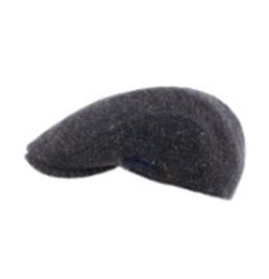 | Herman | BLUE | синий | 60% полиэстер - 20% шерсть - 20% акрил | Текстиль, ткань | Унисекс |  |  |  | 1 |  |  |  | 2 |  | 1 |  |  |  |  |  |  |  | 4 | IT | Name of manufacturer and its legal address: CHAPELLERIE HERMAN S.A., Rue Jean Meunier, 6, 6922 Wellin, Belgium; Brunch of manufacturer and its legal address: HATS & BROTHERS, VIA PROL. ETNA 116/118 VIA RIETI N.26, 80026, CASORIA (NA), ITALY | Италия | 0.1 | 0.15 | 0.4 | 0.6 | 135.00 ₽ | 540.00 ₽
80-637-18 | RANGE 013 |  | Кепки | Кепка уточка | Herman | всесезон | 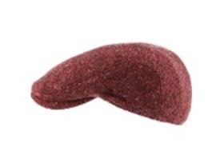 | Herman | RED | красный | 60% полиэстер - 20% шерсть - 20% акрил | Текстиль, ткань | Унисекс |  |  |  |  |  | 1 |  | 9 |  | 1 |  |  |  |  |  |  |  | 11 | IT | Name of manufacturer and its legal address: CHAPELLERIE HERMAN S.A., Rue Jean Meunier, 6, 6922 Wellin, Belgium; Brunch of manufacturer and its legal address: HATS & BROTHERS, VIA PROL. ETNA 116/118 VIA RIETI N.26, 80026, CASORIA (NA), ITALY | Италия | 0.1 | 0.15 | 1.1 | 1.65 | 135.00 ₽ | 1,485.00 ₽
81-001-06 | RUTFORD |  | Кепки | Кепка уточка | Herman | всесезон | 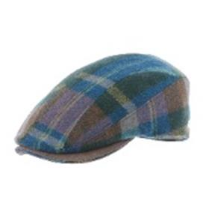 | Herman | BLUE | синий | 55% полиэстер - 45% шерсть | Текстиль, ткань | Унисекс |  |  |  | 1 |  | 2 |  | 2 |  | 1 |  |  |  |  |  |  |  | 6 | CN | Name of manufacturer and its legal address: CHAPELLERIE HERMAN S.A., Rue Jean Meunier, 6, 6922 Wellin, Belgium; Brunch of manufacturer and its legal address: JIANGSU SOHO SILK & TEXTILE CO LTD, 48 NINGNAN Road, 210012 NANJING, CHINA | Китай | 0.1 | 0.15 | 0.6 | 0.9 | 270.00 ₽ | 1,620.00 ₽
80-863-02 | BUCK 006 |  | Шапки | Шапка ушанка | Herman | зимний | 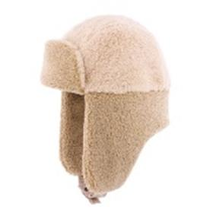 | Herman | BEIGE | бежевый | 100% полиэстер | Текстиль, ткань | Унисекс |  |  |  | 6 |  | 1 |  | 1 |  |  |  |  |  |  |  |  |  | 8 | CN | Name of manufacturer and its legal address: CHAPELLERIE HERMAN S.A., Rue Jean Meunier, 6, 6922 Wellin, Belgium; Brunch of manufacturer and its legal address: JIANGSU SOHO SILK & TEXTILE CO LTD, 48 NINGNAN Road, 210012 NANJING, CHINA | Китай | 0.1 | 0.15 | 0.8 | 1.2 | 270.00 ₽ | 2,160.00 ₽
80-864-13 | BUCK 007 |  | Шапки | Шапка ушанка | Herman | зимний | 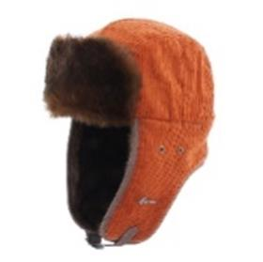 | Herman | ORANGE | оранжевый | 50% хлопок - 50% полиэстер | Текстиль, ткань | Унисекс |  |  |  |  |  | 7 |  | 7 |  | 4 |  |  |  |  |  |  |  | 18 | CN | Name of manufacturer and its legal address: CHAPELLERIE HERMAN S.A., Rue Jean Meunier, 6, 6922 Wellin, Belgium; Brunch of manufacturer and its legal address: JIANGSU SOHO SILK & TEXTILE CO LTD, 48 NINGNAN Road, 210012 NANJING, CHINA | Китай | 0.1 | 0.15 | 1.8 | 2.7 | 270.00 ₽ | 4,860.00 ₽
80-865-16 | BUCK 010 |  | Шапки | Шапка ушанка | Herman | зимний | 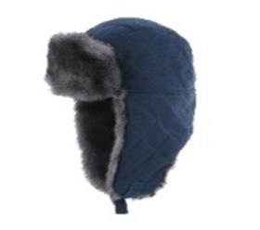 | Herman | NAVY | темно-синий | 100% полиэстер | Текстиль, ткань | Унисекс |  |  |  | 4 |  | 6 |  | 4 |  | 4 |  |  |  |  |  |  |  | 18 | CN | Name of manufacturer and its legal address: CHAPELLERIE HERMAN S.A., Rue Jean Meunier, 6, 6922 Wellin, Belgium; Brunch of manufacturer and its legal address: JIANGSU SOHO SILK & TEXTILE CO LTD, 48 NINGNAN Road, 210012 NANJING, CHINA | Китай | 0.1 | 0.15 | 1.8 | 2.7 | 270.00 ₽ | 4,860.00 ₽
80-865-11 | BUCK 010 |  | Шапки | Шапка ушанка | Herman | зимний | 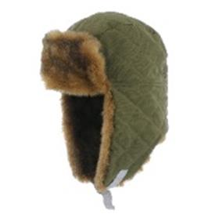 | Herman | GREEN | зеленый | 100% полиэстер | Текстиль, ткань | Унисекс |  |  |  |  |  | 2 |  | 1 |  | 3 |  |  |  |  |  |  |  | 6 | CN | Name of manufacturer and its legal address: CHAPELLERIE HERMAN S.A., Rue Jean Meunier, 6, 6922 Wellin, Belgium; Brunch of manufacturer and its legal address: JIANGSU SOHO SILK & TEXTILE CO LTD, 48 NINGNAN Road, 210012 NANJING, CHINA | Китай | 0.1 | 0.15 | 0.6 | 0.9 | 270.00 ₽ | 1,620.00 ₽
80-483-16 | EDMOND 001 |  | Шапки | Шапка вязаная | Herman | зимний | 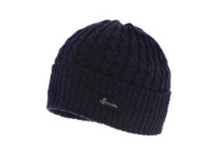 | Herman | NAVY | темно-синий | 100% шерсть | Трикотаж | Унисекс | 30 |  |  |  |  |  |  |  |  |  |  |  |  |  |  |  |  | 30 | IT | Name of manufacturer and its legal address: CHAPELLERIE HERMAN S.A., Rue Jean Meunier, 6, 6922 Wellin, Belgium; Brunch of manufacturer and its legal address: HATS & BROTHERS, VIA PROL. ETNA 116/118 VIA RIETI N.26, 80026, CASORIA (NA), ITALY | Италия | 0.1 | 0.15 | 3 | 4.5 | 180.00 ₽ | 5,400.00 ₽
80-506-16 | EDMOND 005 |  | Шарфы | Шарф | Herman | зимний | 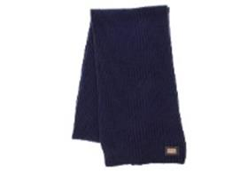 | Herman | NAVY | темно-синий | 100% шерсть | Трикотаж | Унисекс | 8 |  |  |  |  |  |  |  |  |  |  |  |  |  |  |  |  | 8 | IT | Name of manufacturer and its legal address: CHAPELLERIE HERMAN S.A., Rue Jean Meunier, 6, 6922 Wellin, Belgium; Brunch of manufacturer and its legal address: HATS & BROTHERS, VIA PROL. ETNA 116/118 VIA RIETI N.26, 80026, CASORIA (NA), ITALY | Италия | 0.1 | 0.15 | 0.8 | 1.2 | 270.00 ₽ | 2,160.00 ₽
80-506-09 | EDMOND 005 |  | Шарфы | Шарф | Herman | зимний | 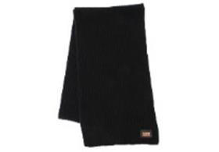 | Herman | BLACK | черный | 100% шерсть | Трикотаж | Унисекс | 20 |  |  |  |  |  |  |  |  |  |  |  |  |  |  |  |  | 20 | IT | Name of manufacturer and its legal address: CHAPELLERIE HERMAN S.A., Rue Jean Meunier, 6, 6922 Wellin, Belgium; Brunch of manufacturer and its legal address: HATS & BROTHERS, VIA PROL. ETNA 116/118 VIA RIETI N.26, 80026, CASORIA (NA), ITALY | Италия | 0.1 | 0.15 | 2 | 3 | 270.00 ₽ | 5,400.00 ₽
80-494-08 | JUSTIN 8533 |  | Шапки | Шапка вязаная | Herman | зимний | 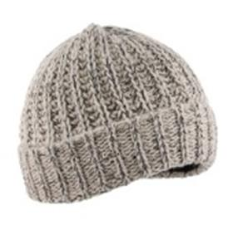 | Herman | GREY | серый | 70% акрил - 30% шерсть | Трикотаж | Унисекс | 20 |  |  |  |  |  |  |  |  |  |  |  |  |  |  |  |  | 20 | CN | Name of manufacturer and its legal address: CHAPELLERIE HERMAN S.A., Rue Jean Meunier, 6, 6922 Wellin, Belgium; Brunch of manufacturer and its legal address: JIANGSU SOHO SILK & TEXTILE CO LTD, 48 NINGNAN Road, 210012 NANJING, CHINA | Китай | 0.1 | 0.15 | 2 | 3 | 180.00 ₽ | 3,600.00 ₽
80-268-16 | JUSTIN 8534 |  | Шапки | Шапка вязаная | Herman | зимний | 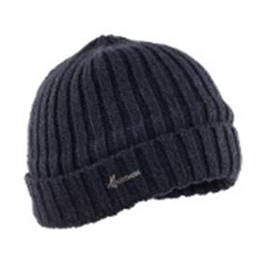 | Herman | NAVY | темно-синий | 70% акрил - 30% шерсть | Трикотаж | Унисекс | 30 |  |  |  |  |  |  |  |  |  |  |  |  |  |  |  |  | 30 | CN | Name of manufacturer and its legal address: CHAPELLERIE HERMAN S.A., Rue Jean Meunier, 6, 6922 Wellin, Belgium; Brunch of manufacturer and its legal address: JIANGSU SOHO SILK & TEXTILE CO LTD, 48 NINGNAN Road, 210012 NANJING, CHINA | Китай | 0.1 | 0.15 | 3 | 4.5 | 180.00 ₽ | 5,400.00 ₽
80-268-09 | JUSTIN 8534 |  | Шапки | Шапка вязаная | Herman | зимний | 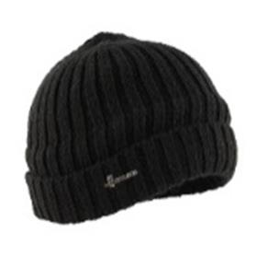 | Herman | BLACK | черный | 70% акрил - 30% шерсть | Трикотаж | Унисекс | 45 |  |  |  |  |  |  |  |  |  |  |  |  |  |  |  |  | 45 | CN | Name of manufacturer and its legal address: CHAPELLERIE HERMAN S.A., Rue Jean Meunier, 6, 6922 Wellin, Belgium; Brunch of manufacturer and its legal address: JIANGSU SOHO SILK & TEXTILE CO LTD, 48 NINGNAN Road, 210012 NANJING, CHINA | Китай | 0.1 | 0.15 | 4.5 | 6.75 | 180.00 ₽ | 8,100.00 ₽
80-588-14 | CARTER 002 |  | Шляпы | Шляпа федора | Herman | всесезон | 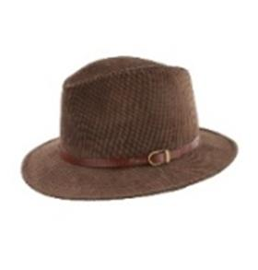 | Herman | BROWN | коричневый | 50% полиэстер - 50% полиамид | Текстиль, ткань | Унисекс |  |  |  | 1 |  | 1 |  | 1 |  | 1 |  |  |  |  |  |  |  | 4 | IT | Name of manufacturer and its legal address: CHAPELLERIE HERMAN S.A., Rue Jean Meunier, 6, 6922 Wellin, Belgium; Brunch of manufacturer and its legal address: HATS & BROTHERS, VIA PROL. ETNA 116/118 VIA RIETI N.26, 80026, CASORIA (NA), ITALY | Италия | 0.1 | 0.15 | 0.4 | 0.6 | 450.00 ₽ | 1,800.00 ₽
80-589-08 | CARTER 003 |  | Шляпы | Шляпа трилби | Herman | всесезон | 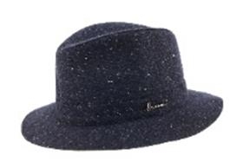 | Herman | GREY | серый | 100% шерсть | Текстиль, ткань | Унисекс |  |  |  | 1 |  | 3 |  |  |  |  |  |  |  |  |  |  |  | 4 | IT | Name of manufacturer and its legal address: CHAPELLERIE HERMAN S.A., Rue Jean Meunier, 6, 6922 Wellin, Belgium; Brunch of manufacturer and its legal address: HATS & BROTHERS, VIA PROL. ETNA 116/118 VIA RIETI N.26, 80026, CASORIA (NA), ITALY | Италия | 0.1 | 0.15 | 0.4 | 0.6 | 450.00 ₽ | 1,800.00 ₽
80-361-52 | DON BOSCO |  | Шляпы | Шляпа трилби | Herman | всесезон | 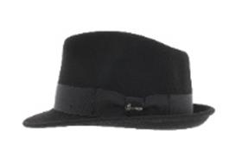 | Herman | BLACK | черный | 100% шерсть | Текстиль, фетр шерстяной | Унисекс |  |  |  | 1 |  | 1 |  | 2 |  | 4 |  |  |  |  |  |  |  | 8 | IT | Name of manufacturer and its legal address: CHAPELLERIE HERMAN S.A., Rue Jean Meunier, 6, 6922 Wellin, Belgium; Brunch of manufacturer and its legal address: HATS & BROTHERS, VIA PROL. ETNA 116/118 VIA RIETI N.26, 80026, CASORIA (NA), ITALY | Италия | 0.1 | 0.15 | 0.8 | 1.2 | 450.00 ₽ | 3,600.00 ₽
80-365-41 | MAC FLEMISH |  | Шляпы | Шляпа федора | Herman | всесезон | 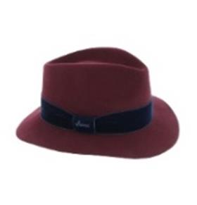 | Herman | BURGUNDY | бордовый | 100% шерсть | Текстиль, фетр шерстяной | Женский |  |  |  |  |  | 3 |  | 1 |  |  |  |  |  |  |  |  |  | 4 | IT | Name of manufacturer and its legal address: CHAPELLERIE HERMAN S.A., Rue Jean Meunier, 6, 6922 Wellin, Belgium; Brunch of manufacturer and its legal address: HATS & BROTHERS, VIA PROL. ETNA 116/118 VIA RIETI N.26, 80026, CASORIA (NA), ITALY | Италия | 0.1 | 0.15 | 0.4 | 0.6 | 450.00 ₽ | 1,800.00 ₽
80-365-16 | MAC FLEMISH |  | Шляпы | Шляпа федора | Herman | всесезон | 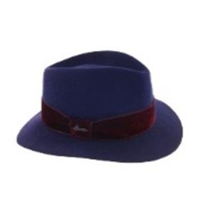 | Herman | NAVY | темно-синий | 100% шерсть | Текстиль, фетр шерстяной | Женский |  |  |  | 2 |  | 2 |  | 2 |  |  |  |  |  |  |  |  |  | 6 | IT | Name of manufacturer and its legal address: CHAPELLERIE HERMAN S.A., Rue Jean Meunier, 6, 6922 Wellin, Belgium; Brunch of manufacturer and its legal address: HATS & BROTHERS, VIA PROL. ETNA 116/118 VIA RIETI N.26, 80026, CASORIA (NA), ITALY | Италия | 0.1 | 0.15 | 0.6 | 0.9 | 450.00 ₽ | 2,700.00 ₽
80-365-13 | MAC FLEMISH |  | Шляпы | Шляпа федора | Herman | всесезон | 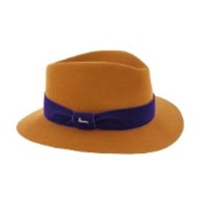 | Herman | ORANGE | оранжевый | 100% шерсть | Текстиль, фетр шерстяной | Женский |  |  |  | 3 |  | 6 |  | 4 |  |  |  |  |  |  |  |  |  | 13 | IT | Name of manufacturer and its legal address: CHAPELLERIE HERMAN S.A., Rue Jean Meunier, 6, 6922 Wellin, Belgium; Brunch of manufacturer and its legal address: HATS & BROTHERS, VIA PROL. ETNA 116/118 VIA RIETI N.26, 80026, CASORIA (NA), ITALY | Италия | 0.1 | 0.15 | 1.3 | 1.95 | 450.00 ₽ | 5,850.00 ₽
80-365-06 | MAC FLEMISH |  | Шляпы | Шляпа федора | Herman | всесезон | 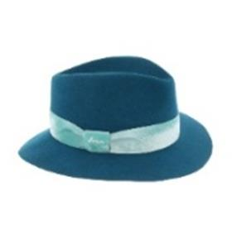 | Herman | PETROL BLUE | синий | 100% шерсть | Текстиль, фетр шерстяной | Женский |  |  |  | 3 |  | 6 |  | 4 |  |  |  |  |  |  |  |  |  | 13 | IT | Name of manufacturer and its legal address: CHAPELLERIE HERMAN S.A., Rue Jean Meunier, 6, 6922 Wellin, Belgium; Brunch of manufacturer and its legal address: HATS & BROTHERS, VIA PROL. ETNA 116/118 VIA RIETI N.26, 80026, CASORIA (NA), ITALY | Италия | 0.1 | 0.15 | 1.3 | 1.95 | 450.00 ₽ | 5,850.00 ₽
80-365-01 | MAC FLEMISH |  | Шляпы | Шляпа федора | Herman | всесезон | 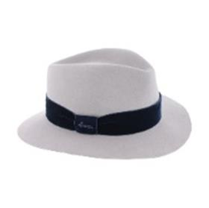 | Herman | PEARL | светло-серый | 100% шерсть | Текстиль, фетр шерстяной | Женский |  |  |  | 4 |  | 5 |  | 5 |  |  |  |  |  |  |  |  |  | 14 | IT | Name of manufacturer and its legal address: CHAPELLERIE HERMAN S.A., Rue Jean Meunier, 6, 6922 Wellin, Belgium; Brunch of manufacturer and its legal address: HATS & BROTHERS, VIA PROL. ETNA 116/118 VIA RIETI N.26, 80026, CASORIA (NA), ITALY | Италия | 0.1 | 0.15 | 1.4 | 2.1 | 450.00 ₽ | 6,300.00 ₽
80-599-09 | MAC MILLAN |  | Шляпы | Шляпа федора | Herman | всесезон | 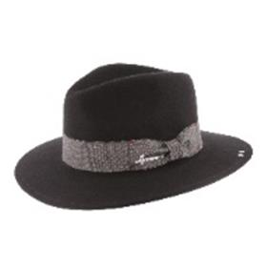 | Herman | BLACK | черный | 100% шерсть | Текстиль, фетр шерстяной | Унисекс |  |  |  | 4 |  |  |  |  |  |  |  |  |  |  |  |  |  | 4 | CN | Name of manufacturer and its legal address: CHAPELLERIE HERMAN S.A., Rue Jean Meunier, 6, 6922 Wellin, Belgium; Brunch of manufacturer and its legal address: JIANGSU SOHO SILK & TEXTILE CO LTD, 48 NINGNAN Road, 210012 NANJING, CHINA | Китай | 0.1 | 0.15 | 0.4 | 0.6 | 450.00 ₽ | 1,800.00 ₽
80-933-06 | MAC NELLA |  | Шляпы | Шляпа федора | Herman | всесезон | 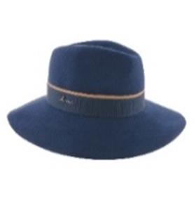 | Herman | BLUE | синий | 100% шерсть | Текстиль, фетр шерстяной | Женский |  |  |  | 4 |  | 6 |  |  |  |  |  |  |  |  |  |  |  | 10 | CN | Name of manufacturer and its legal address: CHAPELLERIE HERMAN S.A., Rue Jean Meunier, 6, 6922 Wellin, Belgium; Brunch of manufacturer and its legal address: JIANGSU SOHO SILK & TEXTILE CO LTD, 48 NINGNAN Road, 210012 NANJING, CHINA | Китай | 0.1 | 0.15 | 1 | 1.5 | 450.00 ₽ | 4,500.00 ₽
80-372-52 | QUEEN EVITA |  | Шляпы | Шляпа с широкими полями | Herman | всесезон | 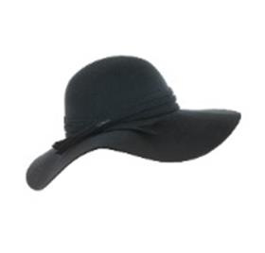 | Herman | BLACK | черный | 100% шерсть | Текстиль, фетр шерстяной | Женский |  |  |  |  |  | 5 |  |  |  |  |  |  |  |  |  |  |  | 5 | CN | Name of manufacturer and its legal address: CHAPELLERIE HERMAN S.A., Rue Jean Meunier, 6, 6922 Wellin, Belgium; Brunch of manufacturer and its legal address: JIANGSU SOHO SILK & TEXTILE CO LTD, 48 NINGNAN Road, 210012 NANJING, CHINA | Китай | 0.1 | 0.15 | 0.5 | 0.75 | 450.00 ₽ | 2,250.00 ₽
81-039-16 | WHALES |  | Шапки | Шапка докер | Herman | всесезон | 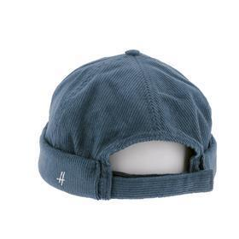 | Herman | NAVY | темно-синий | 100% хлопок | Текстиль, ткань | Мужской | 3 |  |  |  |  |  |  |  |  |  |  |  |  |  |  |  |  | 3 | CN | Name of manufacturer and its legal address: CHAPELLERIE HERMAN S.A., Rue Jean Meunier, 6, 6922 Wellin, Belgium; Brunch of manufacturer and its legal address: JIANGSU SOHO SILK & TEXTILE CO LTD, 48 NINGNAN Road, 210012 NANJING, CHINA | Китай | 0.1 | 0.15 | 0.3 | 0.45 | 579.60 ₽ | 1,738.80 ₽
81-039-09 | WHALES |  | Шапки | Шапка докер | Herman | всесезон | 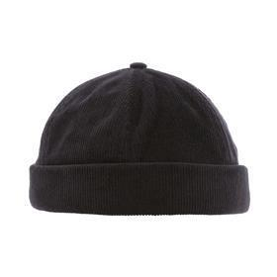 | Herman | BLACK | черный | 100% хлопок | Текстиль, ткань | Мужской | 6 |  |  |  |  |  |  |  |  |  |  |  |  |  |  |  |  | 6 | CN | Name of manufacturer and its legal address: CHAPELLERIE HERMAN S.A., Rue Jean Meunier, 6, 6922 Wellin, Belgium; Brunch of manufacturer and its legal address: JIANGSU SOHO SILK & TEXTILE CO LTD, 48 NINGNAN Road, 210012 NANJING, CHINA | Китай | 0.1 | 0.15 | 0.6 | 0.9 | 579.60 ₽ | 3,477.60 ₽
81-038-16 | SEAL |  | Шапки | Шапка докер | Herman | всесезон | 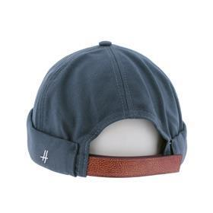 | Herman | NAVY | темно-синий | 100% хлопок | Текстиль, ткань | Мужской | 6 |  |  |  |  |  |  |  |  |  |  |  |  |  |  |  |  | 6 | CN | Name of manufacturer and its legal address: CHAPELLERIE HERMAN S.A., Rue Jean Meunier, 6, 6922 Wellin, Belgium; Brunch of manufacturer and its legal address: JIANGSU SOHO SILK & TEXTILE CO LTD, 48 NINGNAN Road, 210012 NANJING, CHINA | Китай | 0.1 | 0.15 | 0.6 | 0.9 | 579.60 ₽ | 3,477.60 ₽
81-038-09 | SEAL |  | Шапки | Шапка докер | Herman | всесезон | 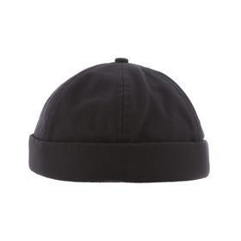 | Herman | BLACK | черный | 100% хлопок | Текстиль, ткань | Мужской | 12 |  |  |  |  |  |  |  |  |  |  |  |  |  |  |  |  | 12 | CN | Name of manufacturer and its legal address: CHAPELLERIE HERMAN S.A., Rue Jean Meunier, 6, 6922 Wellin, Belgium; Brunch of manufacturer and its legal address: JIANGSU SOHO SILK & TEXTILE CO LTD, 48 NINGNAN Road, 210012 NANJING, CHINA | Китай | 0.1 | 0.15 | 1.2 | 1.8 | 579.60 ₽ | 6,955.20 ₽
81-023-05 | MAC LORCA |  | Шляпы | Шляпа федора | Herman | всесезон | 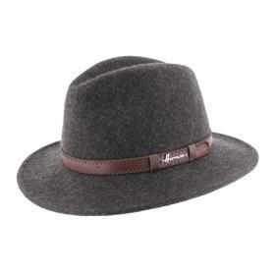 | Herman | Charcoal | темно-серый | 100% шерсть | Текстиль, фетр шерстяной | Мужской |  |  |  | 6 |  | 11 |  | 22 |  | 16 |  |  |  |  |  |  |  | 55 | CN | Name of manufacturer and its legal address: CHAPELLERIE HERMAN S.A., Rue Jean Meunier, 6, 6922 Wellin, Belgium; Brunch of manufacturer and its legal address: JIANGSU SOHO SILK & TEXTILE CO LTD, 48 NINGNAN Road, 210012 NANJING, CHINA | Китай | 0.1 | 0.15 | 5.5 | 8.25 | 1,457.10 ₽ | 80,140.50 ₽
81-023-08 | MAC LORCA |  | Шляпы | Шляпа федора | Herman | всесезон | 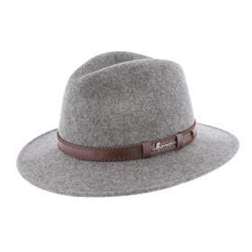 | Herman | GREY | серый | 100% шерсть | Текстиль, фетр шерстяной | Унисекс |  |  |  | 3 |  | 8 |  | 11 |  | 8 |  |  |  |  |  |  |  | 30 | CN | Name of manufacturer and its legal address: CHAPELLERIE HERMAN S.A., Rue Jean Meunier, 6, 6922 Wellin, Belgium; Brunch of manufacturer and its legal address: JIANGSU SOHO SILK & TEXTILE CO LTD, 48 NINGNAN Road, 210012 NANJING, CHINA | Китай | 0.1 | 0.15 | 3 | 4.5 | 1,457.10 ₽ | 43,713.00 ₽
81-023-14 | MAC LORCA |  | Шляпы | Шляпа федора | Herman | всесезон | 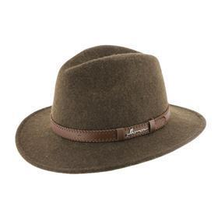 | Herman | BROWN | коричневый | 100% шерсть | Текстиль, фетр шерстяной | Мужской |  |  |  | 3 |  | 6 |  | 9 |  | 9 |  |  |  |  |  |  |  | 27 | CN | Name of manufacturer and its legal address: CHAPELLERIE HERMAN S.A., Rue Jean Meunier, 6, 6922 Wellin, Belgium; Brunch of manufacturer and its legal address: JIANGSU SOHO SILK & TEXTILE CO LTD, 48 NINGNAN Road, 210012 NANJING, CHINA | Китай | 0.1 | 0.15 | 2.7 | 4.05 | 1,457.10 ₽ | 39,341.70 ₽
81-022-16 | MAC COY |  | Шляпы | Шляпа федора | Herman | всесезон | 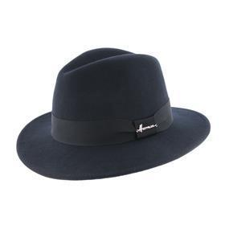 | Herman | NAVY | темно-синий | 100% шерсть | Текстиль, фетр шерстяной | Унисекс |  |  |  |  |  | 5 |  | 11 |  | 4 |  |  |  |  |  |  |  | 20 | CN | Name of manufacturer and its legal address: CHAPELLERIE HERMAN S.A., Rue Jean Meunier, 6, 6922 Wellin, Belgium; Brunch of manufacturer and its legal address: JIANGSU SOHO SILK & TEXTILE CO LTD, 48 NINGNAN Road, 210012 NANJING, CHINA | Китай | 0.1 | 0.15 | 2 | 3 | 1,281.60 ₽ | 25,632.00 ₽
81-022-09 | MAC COY |  | Шляпы | Шляпа федора | Herman | всесезон | 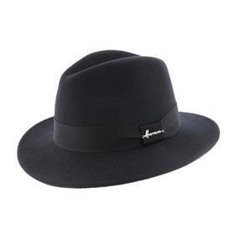 | Herman | BLACK | черный | 100% шерсть | Текстиль, фетр шерстяной | Унисекс |  |  |  | 4 |  | 17 |  | 19 |  | 14 |  |  |  |  |  |  |  | 54 | CN | Name of manufacturer and its legal address: CHAPELLERIE HERMAN S.A., Rue Jean Meunier, 6, 6922 Wellin, Belgium; Brunch of manufacturer and its legal address: JIANGSU SOHO SILK & TEXTILE CO LTD, 48 NINGNAN Road, 210012 NANJING, CHINA | Китай | 0.1 | 0.15 | 5.4 | 8.1 | 1,281.60 ₽ | 69,206.40 ₽
81-022-11 | MAC COY |  | Шляпы | Шляпа федора | Herman | всесезон | 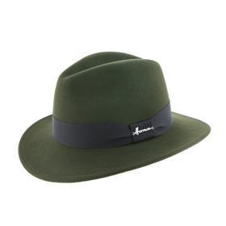 | Herman | GREEN | зеленый | 100% шерсть | Текстиль, фетр шерстяной | Унисекс |  |  |  | 2 |  | 2 |  | 7 |  | 6 |  |  |  |  |  |  |  | 17 | CN | Name of manufacturer and its legal address: CHAPELLERIE HERMAN S.A., Rue Jean Meunier, 6, 6922 Wellin, Belgium; Brunch of manufacturer and its legal address: JIANGSU SOHO SILK & TEXTILE CO LTD, 48 NINGNAN Road, 210012 NANJING, CHINA | Китай | 0.1 | 0.15 | 1.7 | 2.55 | 1,281.60 ₽ | 21,787.20 ₽
80-369-05 | MAC SOFT |  | Шляпы | Шляпа федора | Herman | всесезон | 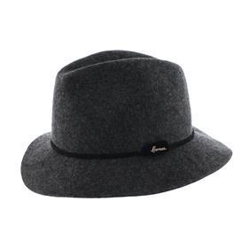 | Herman | DARK GREY | темно-серый | 100% шерсть | Текстиль, фетр шерстяной | Женский |  |  |  | 7 |  | 9 |  | 8 |  | 2 |  |  |  |  |  |  |  | 26 | CN | Name of manufacturer and its legal address: CHAPELLERIE HERMAN S.A., Rue Jean Meunier, 6, 6922 Wellin, Belgium; Brunch of manufacturer and its legal address: JIANGSU SOHO SILK & TEXTILE CO LTD, 48 NINGNAN Road, 210012 NANJING, CHINA | Китай | 0.1 | 0.15 | 2.6 | 3.9 | 1,398.60 ₽ | 36,363.60 ₽
80-369-50 | MAC SOFT |  | Шляпы | Шляпа федора | Herman | всесезон |  | Herman | BEIGE | белый / серый | 100% шерсть | Текстиль, фетр шерстяной | Женский |  |  |  | 7 |  | 6 |  | 1 |  |  |  |  |  |  |  |  |  | 14 | CN | Name of manufacturer and its legal address: CHAPELLERIE HERMAN S.A., Rue Jean Meunier, 6, 6922 Wellin, Belgium; Brunch of manufacturer and its legal address: JIANGSU SOHO SILK & TEXTILE CO LTD, 48 NINGNAN Road, 210012 NANJING, CHINA | Китай | 0.1 | 0.15 | 1.4 | 2.1 | 1,398.60 ₽ | 19,580.40 ₽
80-369-06 | MAC SOFT |  | Шляпы | Шляпа федора | Herman | всесезон |  | Herman | BLUE | синий | 100% шерсть | Текстиль, фетр шерстяной | Женский |  |  |  |  |  | 5 |  | 3 |  |  |  |  |  |  |  |  |  | 8 | CN | Name of manufacturer and its legal address: CHAPELLERIE HERMAN S.A., Rue Jean Meunier, 6, 6922 Wellin, Belgium; Brunch of manufacturer and its legal address: JIANGSU SOHO SILK & TEXTILE CO LTD, 48 NINGNAN Road, 210012 NANJING, CHINA | Китай | 0.1 | 0.15 | 0.8 | 1.2 | 1,398.60 ₽ | 11,188.80 ₽
80-369-08 | MAC SOFT |  | Шляпы | Шляпа федора | Herman | всесезон |  | Herman | GREY | серый | 100% шерсть | Текстиль, фетр шерстяной | Женский |  |  |  | 5 |  | 5 |  | 5 |  |  |  |  |  |  |  |  |  | 15 | CN | Name of manufacturer and its legal address: CHAPELLERIE HERMAN S.A., Rue Jean Meunier, 6, 6922 Wellin, Belgium; Brunch of manufacturer and its legal address: JIANGSU SOHO SILK & TEXTILE CO LTD, 48 NINGNAN Road, 210012 NANJING, CHINA | Китай | 0.1 | 0.15 | 1.5 | 2.25 | 1,398.60 ₽ | 20,979.00 ₽
80-369-34 | MAC SOFT |  | Шляпы | Шляпа федора | Herman | всесезон |  | Herman | PINK | розовый | 100% шерсть | Текстиль, фетр шерстяной | Женский |  |  |  | 5 |  | 7 |  | 4 |  |  |  |  |  |  |  |  |  | 16 | CN | Name of manufacturer and its legal address: CHAPELLERIE HERMAN S.A., Rue Jean Meunier, 6, 6922 Wellin, Belgium; Brunch of manufacturer and its legal address: JIANGSU SOHO SILK & TEXTILE CO LTD, 48 NINGNAN Road, 210012 NANJING, CHINA | Китай | 0.1 | 0.15 | 1.6 | 2.4 | 1,398.60 ₽ | 22,377.60 ₽
81-004-08 | MAC CARTHY |  | Шляпы | Шляпа федора | Herman | всесезон |  | Herman | Charcoal | серый | 100% шерсть | Текстиль, фетр шерстяной | Унисекс |  |  |  | 5 |  | 14 |  | 15 |  | 11 |  |  |  |  |  |  |  | 45 | CN | Name of manufacturer and its legal address: CHAPELLERIE HERMAN S.A., Rue Jean Meunier, 6, 6922 Wellin, Belgium; Brunch of manufacturer and its legal address: JIANGSU SOHO SILK & TEXTILE CO LTD, 48 NINGNAN Road, 210012 NANJING, CHINA | Китай | 0.1 | 0.15 | 4.5 | 6.75 | 1,340.10 ₽ | 60,304.50 ₽
81-004-14 | MAC CARTHY |  | Шляпы | Шляпа федора | Herman | всесезон |  | Herman | BROWN | коричневый | 100% шерсть | Текстиль, фетр шерстяной | Унисекс |  |  |  | 7 |  | 18 |  | 20 |  | 16 |  |  |  |  |  |  |  | 61 | CN | Name of manufacturer and its legal address: CHAPELLERIE HERMAN S.A., Rue Jean Meunier, 6, 6922 Wellin, Belgium; Brunch of manufacturer and its legal address: JIANGSU SOHO SILK & TEXTILE CO LTD, 48 NINGNAN Road, 210012 NANJING, CHINA | Китай | 0.1 | 0.15 | 6.1 | 9.15 | 1,340.10 ₽ | 81,746.10 ₽
81-004-09 | MAC CARTHY |  | Шляпы | Шляпа федора | Herman | всесезон |  | Herman | BLACK | черный | 100% шерсть | Текстиль, фетр шерстяной | Унисекс |  |  |  | 18 |  | 40 |  | 45 |  | 25 |  |  |  |  |  |  |  | 128 | CN | Name of manufacturer and its legal address: CHAPELLERIE HERMAN S.A., Rue Jean Meunier, 6, 6922 Wellin, Belgium; Brunch of manufacturer and its legal address: JIANGSU SOHO SILK & TEXTILE CO LTD, 48 NINGNAN Road, 210012 NANJING, CHINA | Китай | 0.1 | 0.15 | 12.8 | 19.2 | 1,340.10 ₽ | 171,532.80 ₽
81-008-09 | MAC HAWK |  | Шляпы | Шляпа федора | Herman | всесезон |  | Herman | BLACK | черный | 100% шерсть | Текстиль, фетр шерстяной | Унисекс |  |  |  | 19 |  | 26 |  | 40 |  | 15 |  |  |  |  |  |  |  | 100 | CN | Name of manufacturer and its legal address: CHAPELLERIE HERMAN S.A., Rue Jean Meunier, 6, 6922 Wellin, Belgium; Brunch of manufacturer and its legal address: JIANGSU SOHO SILK & TEXTILE CO LTD, 48 NINGNAN Road, 210012 NANJING, CHINA | Китай | 0.1 | 0.15 | 10 | 15 | 1,164.60 ₽ | 116,460.00 ₽
80-929-09 | DON VEGAS |  | Шляпы | Шляпа цилиндр | Herman | всесезон |  | Herman | BLACK | черный | 100% шерсть | Текстиль, фетр шерстяной | Мужской |  |  |  |  |  | 20 |  | 20 |  |  |  |  |  |  |  |  |  | 40 | CN | Name of manufacturer and its legal address: CHAPELLERIE HERMAN S.A., Rue Jean Meunier, 6, 6922 Wellin, Belgium; Brunch of manufacturer and its legal address: JIANGSU SOHO SILK & TEXTILE CO LTD, 48 NINGNAN Road, 210012 NANJING, CHINA | Китай | 0.1 | 0.15 | 4 | 6 | 1,164.60 ₽ | 46,584.00 ₽
80-862-14 | BUCK 001 |  | Шапки | Шапка ушанка | Herman | зимний |  | Herman | BROWN | коричневый | 100% полиэстер | Текстиль, ткань | Мужской |  |  |  | 2 |  | 16 |  | 24 |  | 16 |  |  |  |  |  |  |  | 58 | CN | Name of manufacturer and its legal address: CHAPELLERIE HERMAN S.A., Rue Jean Meunier, 6, 6922 Wellin, Belgium; Brunch of manufacturer and its legal address: JIANGSU SOHO SILK & TEXTILE CO LTD, 48 NINGNAN Road, 210012 NANJING, CHINA | Китай | 0.1 | 0.15 | 5.8 | 8.7 | 872.10 ₽ | 50,581.80 ₽
80-556-05 | EDMOND 019 |  | Шапки | Шапка вязаная | Herman | зимний |  | Herman | DARK GREY | темно-серый | 100% акрил | Трикотаж | Мужской | 20 |  |  |  |  |  |  |  |  |  |  |  |  |  |  |  |  | 20 | CN | Name of manufacturer and its legal address: CHAPELLERIE HERMAN S.A., Rue Jean Meunier, 6, 6922 Wellin, Belgium; Brunch of manufacturer and its legal address: JIANGSU SOHO SILK & TEXTILE CO LTD, 48 NINGNAN Road, 210012 NANJING, CHINA | Китай | 0.1 | 0.15 | 2 | 3 | 345.60 ₽ | 6,912.00 ₽
80-556-16 | EDMOND 019 |  | Шапки | Шапка вязаная | Herman | зимний |  | Herman | NAVY | темно-синий | 100% акрил | Трикотаж | Мужской | 20 |  |  |  |  |  |  |  |  |  |  |  |  |  |  |  |  | 20 | CN | Name of manufacturer and its legal address: CHAPELLERIE HERMAN S.A., Rue Jean Meunier, 6, 6922 Wellin, Belgium; Brunch of manufacturer and its legal address: JIANGSU SOHO SILK & TEXTILE CO LTD, 48 NINGNAN Road, 210012 NANJING, CHINA | Китай | 0.1 | 0.15 | 2 | 3 | 345.60 ₽ | 6,912.00 ₽
80-556-09 | EDMOND 019 |  | Шапки | Шапка вязаная | Herman | зимний |  | Herman | BLACK | черный | 100% акрил | Трикотаж | Мужской | 20 |  |  |  |  |  |  |  |  |  |  |  |  |  |  |  |  | 20 | CN | Name of manufacturer and its legal address: CHAPELLERIE HERMAN S.A., Rue Jean Meunier, 6, 6922 Wellin, Belgium; Brunch of manufacturer and its legal address: JIANGSU SOHO SILK & TEXTILE CO LTD, 48 NINGNAN Road, 210012 NANJING, CHINA | Китай | 0.1 | 0.15 | 2 | 3 | 345.60 ₽ | 6,912.00 ₽
80-161-16 | CONQUEST SWEAT |  | Бейсболки | Бейсболка | Herman | всесезон |  | Herman | NAVY | темно-синий | 100% хлопок | Текстиль, ткань | Унисекс |  |  |  | 2 | 58 | 112 | 48 | 114 | 47 | 18 | 4 |  |  |  |  |  |  | 403 | IT | Name of manufacturer and its legal address: CHAPELLERIE HERMAN S.A., Rue Jean Meunier, 6, 6922 Wellin, Belgium; Brunch of manufacturer and its legal address: HATS & BROTHERS, VIA PROL. ETNA 116/118 VIA RIETI N.26, 80026, CASORIA (NA), ITALY | Италия | 0.1 | 0.15 | 40.3 | 60.45 | 315.00 ₽ | 126,945.00 ₽
80-161-09 | CONQUEST SWEAT |  | Бейсболки | Бейсболка | Herman | всесезон |  | Herman | BLACK | черный | 100% хлопок | Текстиль, ткань | Унисекс |  |  |  | 21 | 57 | 72 | 59 | 69 | 70 | 3 | 3 |  |  |  |  |  |  | 354 | IT | Name of manufacturer and its legal address: CHAPELLERIE HERMAN S.A., Rue Jean Meunier, 6, 6922 Wellin, Belgium; Brunch of manufacturer and its legal address: HATS & BROTHERS, VIA PROL. ETNA 116/118 VIA RIETI N.26, 80026, CASORIA (NA), ITALY | Италия | 0.1 | 0.15 | 35.4 | 53.1 | 315.00 ₽ | 111,510.00 ₽
80-116-14 | RANGE W16002 |  | Кепки | Кепка уточка | Herman | всесезон |  | Herman | BROWN | коричневый | 100% шерсть | Текстиль, ткань | Унисекс |  |  |  | 2 | 7 | 1 |  | 20 |  | 1 |  |  |  |  |  |  |  | 31 | IT | Name of manufacturer and its legal address: CHAPELLERIE HERMAN S.A., Rue Jean Meunier, 6, 6922 Wellin, Belgium; Brunch of manufacturer and its legal address: HATS & BROTHERS, VIA PROL. ETNA 116/118 VIA RIETI N.26, 80026, CASORIA (NA), ITALY | Италия | 0.1 | 0.15 | 3.1 | 4.65 | 270.00 ₽ | 8,370.00 ₽
80-268-08 | JUSTIN 8534 |  | Шапки | Шапка вязаная | Herman | зимний |  | Herman | GREY | серый | 70% акрил - 30% шерсть | Трикотаж | Унисекс | 30 |  |  |  |  |  |  |  |  |  |  |  |  |  |  |  |  | 30 | CN | Name of manufacturer and its legal address: CHAPELLERIE HERMAN S.A., Rue Jean Meunier, 6, 6922 Wellin, Belgium; Brunch of manufacturer and its legal address: JIANGSU SOHO SILK & TEXTILE CO LTD, 48 NINGNAN Road, 210012 NANJING, CHINA | Китай | 0.1 | 0.15 | 3 | 4.5 | 180.00 ₽ | 5,400.00 ₽
80-368-14 | MACKINSLEY |  | Шляпы | Шляпа федора | Herman | всесезон |  | Herman | BROWN | коричневый | 100% шерсть | Текстиль, фетр шерстяной | Унисекс |  |  |  | 2 |  |  |  | 2 |  |  |  |  |  |  |  |  |  | 4 | CN | Name of manufacturer and its legal address: CHAPELLERIE HERMAN S.A., Rue Jean Meunier, 6, 6922 Wellin, Belgium; Brunch of manufacturer and its legal address: JIANGSU SOHO SILK & TEXTILE CO LTD, 48 NINGNAN Road, 210012 NANJING, CHINA | Китай | 0.1 | 0.15 | 0.4 | 0.6 | 450.00 ₽ | 1,800.00 ₽
80-368-09 | MACKINSLEY |  | Шляпы | Шляпа федора | Herman | всесезон |  | Herman | BLACK | черный | 100% шерсть | Текстиль, фетр шерстяной | Унисекс |  |  |  |  |  |  |  |  |  | 4 |  |  |  |  |  |  |  | 4 | CN | Name of manufacturer and its legal address: CHAPELLERIE HERMAN S.A., Rue Jean Meunier, 6, 6922 Wellin, Belgium; Brunch of manufacturer and its legal address: JIANGSU SOHO SILK & TEXTILE CO LTD, 48 NINGNAN Road, 210012 NANJING, CHINA | Китай | 0.1 | 0.15 | 0.4 | 0.6 | 450.00 ₽ | 1,800.00 ₽
81-065-14 | AUSTRALIAN |  | Шляпы | Шляпа ковбойская | Herman | всесезон |  | Herman | BROWN | коричневый | 100% кожа | Кожа | Унисекс |  |  |  |  |  |  |  | 3 |  | 4 |  |  |  |  |  |  |  | 7 | CN | Name of manufacturer and its legal address: CHAPELLERIE HERMAN S.A., Rue Jean Meunier, 6, 6922 Wellin, Belgium; Brunch of manufacturer and its legal address: JIANGSU SOHO SILK & TEXTILE CO LTD, 48 NINGNAN Road, 210012 NANJING, CHINA | Китай | 0.1 | 0.15 | 0.7 | 1.05 | 2,100.60 ₽ | 14,704.20 ₽
81-070-09 | DON CHURCH |  | Шляпы | Шляпа котелок | Herman | всесезон |  | Herman | BLACK | черный | 100% шерсть | Текстиль, фетр шерстяной | Унисекс |  |  |  | 3 |  | 4 |  | 5 |  | 3 |  |  |  |  |  |  |  | 15 | CN | Name of manufacturer and its legal address: CHAPELLERIE HERMAN S.A., Rue Jean Meunier, 6, 6922 Wellin, Belgium; Brunch of manufacturer and its legal address: JIANGSU SOHO SILK & TEXTILE CO LTD, 48 NINGNAN Road, 210012 NANJING, CHINA | Китай | 0.1 | 0.15 | 1.5 | 2.25 | 1,281.60 ₽ | 19,224.00 ₽
81-074-09 | DJIBOUTI |  | Панамы | Панама | Herman | летний |  | Herman | BLACK | черный | 100% хлопок | Текстиль, ткань | Унисекс |  |  |  | 7 |  | 19 |  | 19 |  | 7 |  |  |  |  |  |  |  | 52 | CN | Name of manufacturer and its legal address: CHAPELLERIE HERMAN S.A., Rue Jean Meunier, 6, 6922 Wellin, Belgium; Brunch of manufacturer and its legal address: JIANGSU SOHO SILK & TEXTILE CO LTD, 48 NINGNAN Road, 210012 NANJING, CHINA | Китай | 0.1 | 0.15 | 5.2 | 7.8 | 812.70 ₽ | 42,260.40 ₽
81-075-17 | DJERBA |  | Козыреки | Козырек | Herman | летний |  | Herman | WHITE | белый | 100% хлопок | Текстиль, ткань | Унисекс |  |  |  |  |  | 25 |  |  |  |  |  |  |  |  |  |  |  | 25 | CN | Name of manufacturer and its legal address: CHAPELLERIE HERMAN S.A., Rue Jean Meunier, 6, 6922 Wellin, Belgium; Brunch of manufacturer and its legal address: JIANGSU SOHO SILK & TEXTILE CO LTD, 48 NINGNAN Road, 210012 NANJING, CHINA | Китай | 0.1 | 0.15 | 2.5 | 3.75 | 812.70 ₽ | 20,317.50 ₽
81-075-16 | DJERBA |  | Козыреки | Козырек | Herman | летний |  | Herman | NAVY | темно-синий | 100% хлопок | Текстиль, ткань | Унисекс |  |  |  |  |  | 25 |  |  |  |  |  |  |  |  |  |  |  | 25 | CN | Name of manufacturer and its legal address: CHAPELLERIE HERMAN S.A., Rue Jean Meunier, 6, 6922 Wellin, Belgium; Brunch of manufacturer and its legal address: JIANGSU SOHO SILK & TEXTILE CO LTD, 48 NINGNAN Road, 210012 NANJING, CHINA | Китай | 0.1 | 0.15 | 2.5 | 3.75 | 812.70 ₽ | 20,317.50 ₽
81-076-45 | BAMAKO |  | Бейсболки | Бейсболка | Herman | всесезон |  | Herman | BEIGE | белый / красный | 100% хлопок | Текстиль, ткань | Унисекс |  |  |  |  |  | 10 |  | 10 |  |  |  |  |  |  |  |  |  | 20 | CN | Name of manufacturer and its legal address: CHAPELLERIE HERMAN S.A., Rue Jean Meunier, 6, 6922 Wellin, Belgium; Brunch of manufacturer and its legal address: JIANGSU SOHO SILK & TEXTILE CO LTD, 48 NINGNAN Road, 210012 NANJING, CHINA | Китай | 0.1 | 0.15 | 2 | 3 | 812.70 ₽ | 16,254.00 ₽
81-076-16 | BAMAKO |  | Бейсболки | Бейсболка | Herman | всесезон |  | Herman | NAVY | темно-синий | 100% хлопок | Текстиль, ткань | Унисекс |  |  |  |  |  | 14 |  | 14 |  |  |  |  |  |  |  |  |  | 28 | CN | Name of manufacturer and its legal address: CHAPELLERIE HERMAN S.A., Rue Jean Meunier, 6, 6922 Wellin, Belgium; Brunch of manufacturer and its legal address: JIANGSU SOHO SILK & TEXTILE CO LTD, 48 NINGNAN Road, 210012 NANJING, CHINA | Китай | 0.1 | 0.15 | 2.8 | 4.2 | 812.70 ₽ | 22,755.60 ₽
81-077-02 | TRIPOLI |  | Козыреки | Козырек | Herman | летний |  | Herman | BEIGE | бежевый | 100% хлопок | Текстиль, ткань | Унисекс |  |  |  |  |  | 25 |  |  |  |  |  |  |  |  |  |  |  | 25 | CN | Name of manufacturer and its legal address: CHAPELLERIE HERMAN S.A., Rue Jean Meunier, 6, 6922 Wellin, Belgium; Brunch of manufacturer and its legal address: JIANGSU SOHO SILK & TEXTILE CO LTD, 48 NINGNAN Road, 210012 NANJING, CHINA | Китай | 0.1 | 0.15 | 2.5 | 3.75 | 812.70 ₽ | 20,317.50 ₽
81-077-16 | TRIPOLI |  | Козыреки | Козырек | Herman | летний |  | Herman | NAVY | темно-синий | 100% хлопок | Текстиль, ткань | Унисекс |  |  |  |  |  | 25 |  |  |  |  |  |  |  |  |  |  |  | 25 | CN | Name of manufacturer and its legal address: CHAPELLERIE HERMAN S.A., Rue Jean Meunier, 6, 6922 Wellin, Belgium; Brunch of manufacturer and its legal address: JIANGSU SOHO SILK & TEXTILE CO LTD, 48 NINGNAN Road, 210012 NANJING, CHINA | Китай | 0.1 | 0.15 | 2.5 | 3.75 | 812.70 ₽ | 20,317.50 ₽
81-078-20 | TEMPA |  | Бейсболки | Бейсболка | Herman | всесезон |  | Herman | YELLOW | желтый | 100% хлопок | Текстиль, ткань | Унисекс |  |  |  |  |  |  |  | 18 |  |  |  |  |  |  |  |  |  | 18 | CN | Name of manufacturer and its legal address: CHAPELLERIE HERMAN S.A., Rue Jean Meunier, 6, 6922 Wellin, Belgium; Brunch of manufacturer and its legal address: JIANGSU SOHO SILK & TEXTILE CO LTD, 48 NINGNAN Road, 210012 NANJING, CHINA | Китай | 0.1 | 0.15 | 1.8 | 2.7 | 686.70 ₽ | 12,360.60 ₽
81-078-34 | TEMPA |  | Бейсболки | Бейсболка | Herman | всесезон |  | Herman | PINK | розовый | 100% хлопок | Текстиль, ткань | Женский |  |  |  |  |  |  |  | 18 |  |  |  |  |  |  |  |  |  | 18 | CN | Name of manufacturer and its legal address: CHAPELLERIE HERMAN S.A., Rue Jean Meunier, 6, 6922 Wellin, Belgium; Brunch of manufacturer and its legal address: JIANGSU SOHO SILK & TEXTILE CO LTD, 48 NINGNAN Road, 210012 NANJING, CHINA | Китай | 0.1 | 0.15 | 1.8 | 2.7 | 686.70 ₽ | 12,360.60 ₽
81-079-06 | FLORIDA |  | Панамы | Панама | Herman | летний |  | Herman | BLUE | синий | 100% хлопок | Текстиль, ткань | Унисекс |  |  |  |  |  | 18 |  | 18 |  | 9 |  |  |  |  |  |  |  | 45 | CN | Name of manufacturer and its legal address: CHAPELLERIE HERMAN S.A., Rue Jean Meunier, 6, 6922 Wellin, Belgium; Brunch of manufacturer and its legal address: JIANGSU SOHO SILK & TEXTILE CO LTD, 48 NINGNAN Road, 210012 NANJING, CHINA | Китай | 0.1 | 0.15 | 4.5 | 6.75 | 812.70 ₽ | 36,571.50 ₽
81-079-20 | FLORIDA |  | Панамы | Панама | Herman | летний |  | Herman | YELLOW | желтый | 100% хлопок | Текстиль, ткань | Унисекс |  |  |  | 9 |  | 18 |  | 18 |  | 9 |  |  |  |  |  |  |  | 54 | CN | Name of manufacturer and its legal address: CHAPELLERIE HERMAN S.A., Rue Jean Meunier, 6, 6922 Wellin, Belgium; Brunch of manufacturer and its legal address: JIANGSU SOHO SILK & TEXTILE CO LTD, 48 NINGNAN Road, 210012 NANJING, CHINA | Китай | 0.1 | 0.15 | 5.4 | 8.1 | 812.70 ₽ | 43,885.80 ₽
81-079-34 | FLORIDA |  | Панамы | Панама | Herman | летний |  | Herman | PINK | розовый | 100% хлопок | Текстиль, ткань | Женский |  |  |  | 9 |  | 18 |  | 18 |  | 9 |  |  |  |  |  |  |  | 54 | CN | Name of manufacturer and its legal address: CHAPELLERIE HERMAN S.A., Rue Jean Meunier, 6, 6922 Wellin, Belgium; Brunch of manufacturer and its legal address: JIANGSU SOHO SILK & TEXTILE CO LTD, 48 NINGNAN Road, 210012 NANJING, CHINA | Китай | 0.1 | 0.15 | 5.4 | 8.1 | 812.70 ₽ | 43,885.80 ₽
80-941-09 | AGUSTA |  | Бейсболки | Бейсболка | Herman | всесезон |  | Herman | BLACK | черный | 100% хлопок | Текстиль, ткань | Унисекс |  |  |  |  |  | 30 |  | 30 |  |  |  |  |  |  |  |  |  | 60 | CN | Name of manufacturer and its legal address: CHAPELLERIE HERMAN S.A., Rue Jean Meunier, 6, 6922 Wellin, Belgium; Brunch of manufacturer and its legal address: JIANGSU SOHO SILK & TEXTILE CO LTD, 48 NINGNAN Road, 210012 NANJING, CHINA | Китай | 0.1 | 0.15 | 6 | 9 | 749.70 ₽ | 44,982.00 ₽
80-941-80 | AGUSTA |  | Бейсболки | Бейсболка | Herman | всесезон |  | Herman | GREY | серый | 100% хлопок | Текстиль, ткань | Унисекс |  |  |  |  |  | 30 |  | 30 |  |  |  |  |  |  |  |  |  | 60 | CN | Name of manufacturer and its legal address: CHAPELLERIE HERMAN S.A., Rue Jean Meunier, 6, 6922 Wellin, Belgium; Brunch of manufacturer and its legal address: JIANGSU SOHO SILK & TEXTILE CO LTD, 48 NINGNAN Road, 210012 NANJING, CHINA | Китай | 0.1 | 0.15 | 6 | 9 | 749.70 ₽ | 44,982.00 ₽
80-662-19 | CONQUEST 033 |  | Бейсболки | Бейсболка | Herman | летний |  | Herman | ANIMAL | голубой | 100% хлопок | Текстиль, ткань | Детские |  |  |  |  |  |  |  |  |  |  |  |  |  |  | 10 |  | 10 | 20 | CN | Name of manufacturer and its legal address: CHAPELLERIE HERMAN S.A., Rue Jean Meunier, 6, 6922 Wellin, Belgium; Brunch of manufacturer and its legal address: JIANGSU SOHO SILK & TEXTILE CO LTD, 48 NINGNAN Road, 210012 NANJING, CHINA | Китай | 0.1 | 0.15 | 2 | 3 | 345.60 ₽ | 6,912.00 ₽
80-662-06 | CONQUEST 033 |  | Бейсболки | Бейсболка | Herman | летний |  | Herman | BLUE | синий | 100% хлопок | Текстиль, ткань | Детские |  |  |  |  |  |  |  |  |  |  |  |  |  |  | 9 |  | 9 | 18 | CN | Name of manufacturer and its legal address: CHAPELLERIE HERMAN S.A., Rue Jean Meunier, 6, 6922 Wellin, Belgium; Brunch of manufacturer and its legal address: JIANGSU SOHO SILK & TEXTILE CO LTD, 48 NINGNAN Road, 210012 NANJING, CHINA | Китай | 0.1 | 0.15 | 1.8 | 2.7 | 345.60 ₽ | 6,220.80 ₽
80-662-34 | CONQUEST 033 |  | Бейсболки | Бейсболка | Herman | летний |  | Herman | FUSHIA | розовый | 100% хлопок | Текстиль, ткань | Детские |  |  |  |  |  |  |  |  |  |  |  |  |  |  | 10 |  | 10 | 20 | CN | Name of manufacturer and its legal address: CHAPELLERIE HERMAN S.A., Rue Jean Meunier, 6, 6922 Wellin, Belgium; Brunch of manufacturer and its legal address: JIANGSU SOHO SILK & TEXTILE CO LTD, 48 NINGNAN Road, 210012 NANJING, CHINA | Китай | 0.1 | 0.15 | 2 | 3 | 345.60 ₽ | 6,912.00 ₽
80-717-19 | BUCKET 024 |  | Панамы | Панама | Herman | летний |  | Herman | ANIMAL | голубой | 100% хлопок | Текстиль, ткань | Детские |  |  |  |  |  |  |  |  |  |  |  |  |  |  |  | 12 | 12 | 24 | CN | Name of manufacturer and its legal address: CHAPELLERIE HERMAN S.A., Rue Jean Meunier, 6, 6922 Wellin, Belgium; Brunch of manufacturer and its legal address: JIANGSU SOHO SILK & TEXTILE CO LTD, 48 NINGNAN Road, 210012 NANJING, CHINA | Китай | 0.1 | 0.15 | 2.4 | 3.6 | 345.60 ₽ | 8,294.40 ₽
80-717-06 | BUCKET 024 |  | Панамы | Панама | Herman | летний |  | Herman | BLUE | синий | 100% хлопок | Текстиль, ткань | Детские |  |  |  |  |  |  |  |  |  |  |  |  |  |  |  | 12 | 12 | 24 | CN | Name of manufacturer and its legal address: CHAPELLERIE HERMAN S.A., Rue Jean Meunier, 6, 6922 Wellin, Belgium; Brunch of manufacturer and its legal address: JIANGSU SOHO SILK & TEXTILE CO LTD, 48 NINGNAN Road, 210012 NANJING, CHINA | Китай | 0.1 | 0.15 | 2.4 | 3.6 | 345.60 ₽ | 8,294.40 ₽
80-717-34 | BUCKET 024 |  | Панамы | Панама | Herman | летний |  | Herman | FUSHIA | розовый | 100% хлопок | Текстиль, ткань | Детские |  |  |  |  |  |  |  |  |  |  |  |  |  |  |  | 12 | 12 | 24 | CN | Name of manufacturer and its legal address: CHAPELLERIE HERMAN S.A., Rue Jean Meunier, 6, 6922 Wellin, Belgium; Brunch of manufacturer and its legal address: JIANGSU SOHO SILK & TEXTILE CO LTD, 48 NINGNAN Road, 210012 NANJING, CHINA | Китай | 0.1 | 0.15 | 2.4 | 3.6 | 345.60 ₽ | 8,294.40 ₽
81-080-09 | B-4003 |  | Кепки | Кепка уточка | Herman | всесезон |  | Herman | BLACK | черный | 100% кожа | Кожа | Унисекс |  |  |  | 10 |  | 11 |  | 15 |  | 13 |  |  |  |  |  |  |  | 49 | CN | Name of manufacturer and its legal address: CHAPELLERIE HERMAN S.A., Rue Jean Meunier, 6, 6922 Wellin, Belgium; Brunch of manufacturer and its legal address: JIANGSU SOHO SILK & TEXTILE CO LTD, 48 NINGNAN Road, 210012 NANJING, CHINA | Китай | 0.1 | 0.15 | 4.9 | 7.35 | 180.00 ₽ | 8,820.00 ₽
81-081-09 | B-4503 |  | Кепки | Кепка плоская | Herman | всесезон |  | Herman | BLACK | черный | 100% шерсть | Текстиль, ткань | Унисекс |  |  |  |  |  |  |  | 40 |  | 20 |  |  |  |  |  |  |  | 60 | CN | Name of manufacturer and its legal address: CHAPELLERIE HERMAN S.A., Rue Jean Meunier, 6, 6922 Wellin, Belgium; Brunch of manufacturer and its legal address: JIANGSU SOHO SILK & TEXTILE CO LTD, 48 NINGNAN Road, 210012 NANJING, CHINA | Китай | 0.1 | 0.15 | 6 | 9 | 180.00 ₽ | 10,800.00 ₽
80-824-16 | HORSE |  | Кепки | Кепка картуз | Herman | всесезон |  | Herman | BLUE | темно-синий | 90% шерсть - 10% кашемир | Текстиль, ткань | Унисекс |  |  |  |  |  |  |  | 2 | 1 | 3 |  |  |  |  |  |  |  | 6 | IT | Name of manufacturer and its legal address: CHAPELLERIE HERMAN S.A., Rue Jean Meunier, 6, 6922 Wellin, Belgium; Brunch of manufacturer and its legal address: HATS & BROTHERS, VIA PROL. ETNA 116/118 VIA RIETI N.26, 80026, CASORIA (NA), ITALY | Италия | 0.1 | 0.15 | 0.6 | 0.9 | 360.00 ₽ | 2,160.00 ₽
80-863-16 | BUCK 006 |  | Шапки | Шапка ушанка | Herman | зимний |  | Herman | NAVY | темно-синий | 100% полиэстер | Текстиль, ткань | Женский |  |  |  | 1 |  | 2 |  | 1 |  | 1 |  |  |  |  |  |  |  | 5 | CN | Name of manufacturer and its legal address: CHAPELLERIE HERMAN S.A., Rue Jean Meunier, 6, 6922 Wellin, Belgium; Brunch of manufacturer and its legal address: JIANGSU SOHO SILK & TEXTILE CO LTD, 48 NINGNAN Road, 210012 NANJING, CHINA | Китай | 0.1 | 0.15 | 0.5 | 0.75 | 270.00 ₽ | 1,350.00 ₽
80-863-34 | BUCK 006 |  | Шапки | Шапка ушанка | Herman | зимний |  | Herman | PINK | розовый | 100% полиэстер | Текстиль, ткань | Женский |  |  |  | 6 |  | 14 |  | 5 |  |  |  |  |  |  |  |  |  | 25 | CN | Name of manufacturer and its legal address: CHAPELLERIE HERMAN S.A., Rue Jean Meunier, 6, 6922 Wellin, Belgium; Brunch of manufacturer and its legal address: JIANGSU SOHO SILK & TEXTILE CO LTD, 48 NINGNAN Road, 210012 NANJING, CHINA | Китай | 0.1 | 0.15 | 2.5 | 3.75 | 270.00 ₽ | 6,750.00 ₽
81-082-09 | EDMOND 020 |  | Шапки | Шапка вязаная | Herman | зимний |  | Herman | BLACK | черный | 70% акрилл - 30% шерсть | Трикотаж | Унисекс | 14 |  |  |  |  |  |  |  |  |  |  |  |  |  |  |  |  | 14 | CN | Name of manufacturer and its legal address: CHAPELLERIE HERMAN S.A., Rue Jean Meunier, 6, 6922 Wellin, Belgium; Brunch of manufacturer and its legal address: JIANGSU SOHO SILK & TEXTILE CO LTD, 48 NINGNAN Road, 210012 NANJING, CHINA | Китай | 0.1 | 0.15 | 1.4 | 2.1 | 135.00 ₽ | 1,890.00 ₽
80-562-17 | EDMOND 039 |  | Шапки | Шапка вязаная | Herman | зимний |  | Herman | OFFWHITE | белый | 100% акрил | Трикотаж | Унисекс | 23 |  |  |  |  |  |  |  |  |  |  |  |  |  |  |  |  | 23 | CN | Name of manufacturer and its legal address: CHAPELLERIE HERMAN S.A., Rue Jean Meunier, 6, 6922 Wellin, Belgium; Brunch of manufacturer and its legal address: JIANGSU SOHO SILK & TEXTILE CO LTD, 48 NINGNAN Road, 210012 NANJING, CHINA | Китай | 0.1 | 0.15 | 2.3 | 3.45 | 135.00 ₽ | 3,105.00 ₽
80-506-14 | EDMOND 005 |  | Шарфы | Шарф | Herman | зимний |  | Herman | BROWN | коричневый | 100% шерсть | Трикотаж | Унисекс | 4 |  |  |  |  |  |  |  |  |  |  |  |  |  |  |  |  | 4 | IT | Name of manufacturer and its legal address: CHAPELLERIE HERMAN S.A., Rue Jean Meunier, 6, 6922 Wellin, Belgium; Brunch of manufacturer and its legal address: HATS & BROTHERS, VIA PROL. ETNA 116/118 VIA RIETI N.26, 80026, CASORIA (NA), ITALY | Италия | 0.1 | 0.15 | 0.4 | 0.6 | 270.00 ₽ | 1,080.00 ₽
81-083-16 | ICE 8520 |  | Шапки | Шапка ушанка | Herman | зимний |  | Herman | NAVY | темно-синий | 100% акрилл | Текстиль, ткань | Унисекс |  |  |  | 4 |  | 17 |  | 21 |  | 8 |  |  |  |  |  |  |  | 50 | CN | Name of manufacturer and its legal address: CHAPELLERIE HERMAN S.A., Rue Jean Meunier, 6, 6922 Wellin, Belgium; Brunch of manufacturer and its legal address: JIANGSU SOHO SILK & TEXTILE CO LTD, 48 NINGNAN Road, 210012 NANJING, CHINA | Китай | 0.1 | 0.15 | 5 | 7.5 | 90.00 ₽ | 4,500.00 ₽
81-083-09 | ICE 8520 |  | Шапки | Шапка ушанка | Herman | зимний |  | Herman | BLACK | черный | 100% акрилл | Текстиль, ткань | Унисекс |  |  |  | 4 |  | 9 |  | 8 |  | 5 |  |  |  |  |  |  |  | 26 | CN | Name of manufacturer and its legal address: CHAPELLERIE HERMAN S.A., Rue Jean Meunier, 6, 6922 Wellin, Belgium; Brunch of manufacturer and its legal address: JIANGSU SOHO SILK & TEXTILE CO LTD, 48 NINGNAN Road, 210012 NANJING, CHINA | Китай | 0.1 | 0.15 | 2.6 | 3.9 | 90.00 ₽ | 2,340.00 ₽
81-084-09 | ICE 8523 |  | Шапки | Шапка вязаная | Herman | зимний |  | Herman | BLACK | черный | 100% акрилл | Трикотаж | Унисекс | 5 |  |  |  |  |  |  |  |  |  |  |  |  |  |  |  |  | 5 | CN | Name of manufacturer and its legal address: CHAPELLERIE HERMAN S.A., Rue Jean Meunier, 6, 6922 Wellin, Belgium; Brunch of manufacturer and its legal address: JIANGSU SOHO SILK & TEXTILE CO LTD, 48 NINGNAN Road, 210012 NANJING, CHINA | Китай | 0.1 | 0.15 | 0.5 | 0.75 | 63.00 ₽ | 315.00 ₽
81-084-11 | ICE 8523 |  | Шапки | Шапка вязаная | Herman | зимний |  | Herman | GREEN | зеленый | 100% акрилл | Трикотаж | Унисекс | 30 |  |  |  |  |  |  |  |  |  |  |  |  |  |  |  |  | 30 | CN | Name of manufacturer and its legal address: CHAPELLERIE HERMAN S.A., Rue Jean Meunier, 6, 6922 Wellin, Belgium; Brunch of manufacturer and its legal address: JIANGSU SOHO SILK & TEXTILE CO LTD, 48 NINGNAN Road, 210012 NANJING, CHINA | Китай | 0.1 | 0.15 | 3 | 4.5 | 63.00 ₽ | 1,890.00 ₽
81-085-14 | KANA W16 |  | Шапки | Шапка вязаная | Herman | зимний |  | Herman | BROWN | коричневый | 58% вискоза - 25% акрилл - 13% полиамид - 4% ангора | Трикотаж | Унисекс | 20 |  |  |  |  |  |  |  |  |  |  |  |  |  |  |  |  | 20 | CN | Name of manufacturer and its legal address: CHAPELLERIE HERMAN S.A., Rue Jean Meunier, 6, 6922 Wellin, Belgium; Brunch of manufacturer and its legal address: JIANGSU SOHO SILK & TEXTILE CO LTD, 48 NINGNAN Road, 210012 NANJING, CHINA | Китай | 0.1 | 0.15 | 2 | 3 | 270.00 ₽ | 5,400.00 ₽
81-085-09 | KANA W16 |  | Шапки | Шапка вязаная | Herman | зимний |  | Herman | BLACK | черный | 58% вискоза - 25% акрилл - 13% полиамид - 4% ангора | Трикотаж | Унисекс | 30 |  |  |  |  |  |  |  |  |  |  |  |  |  |  |  |  | 30 | CN | Name of manufacturer and its legal address: CHAPELLERIE HERMAN S.A., Rue Jean Meunier, 6, 6922 Wellin, Belgium; Brunch of manufacturer and its legal address: JIANGSU SOHO SILK & TEXTILE CO LTD, 48 NINGNAN Road, 210012 NANJING, CHINA | Китай | 0.1 | 0.15 | 3 | 4.5 | 270.00 ₽ | 8,100.00 ₽
81-086-16 | DORIANE |  | Шарфы | Шарф | Herman | зимний |  | Herman | BLUE | темно-синий | 40% шерсть - 40% акрилл - 20% полиэстер | Трикотаж | Унисекс | 12 |  |  |  |  |  |  |  |  |  |  |  |  |  |  |  |  | 12 | IT | Name of manufacturer and its legal address: CHAPELLERIE HERMAN S.A., Rue Jean Meunier, 6, 6922 Wellin, Belgium; Brunch of manufacturer and its legal address: HATS & BROTHERS, VIA PROL. ETNA 116/118 VIA RIETI N.26, 80026, CASORIA (NA), ITALY | Италия | 0.1 | 0.15 | 1.2 | 1.8 | 225.00 ₽ | 2,700.00 ₽
81-086-11 | DORIANE |  | Шарфы | Шарф | Herman | зимний |  | Herman | TAUPE | зеленый | 40% шерсть - 40% акрилл - 20% полиэстер | Трикотаж | Унисекс | 12 |  |  |  |  |  |  |  |  |  |  |  |  |  |  |  |  | 12 | IT | Name of manufacturer and its legal address: CHAPELLERIE HERMAN S.A., Rue Jean Meunier, 6, 6922 Wellin, Belgium; Brunch of manufacturer and its legal address: HATS & BROTHERS, VIA PROL. ETNA 116/118 VIA RIETI N.26, 80026, CASORIA (NA), ITALY | Италия | 0.1 | 0.15 | 1.2 | 1.8 | 225.00 ₽ | 2,700.00 ₽
81-087-16 | EDMOND 004 |  | Шарфы | Шарф | Herman | зимний |  | Herman | NAVY | темно-синий | 100% шерсть | Трикотаж | Унисекс | 8 |  |  |  |  |  |  |  |  |  |  |  |  |  |  |  |  | 8 | IT | Name of manufacturer and its legal address: CHAPELLERIE HERMAN S.A., Rue Jean Meunier, 6, 6922 Wellin, Belgium; Brunch of manufacturer and its legal address: HATS & BROTHERS, VIA PROL. ETNA 116/118 VIA RIETI N.26, 80026, CASORIA (NA), ITALY | Италия | 0.1 | 0.15 | 0.8 | 1.2 | 225.00 ₽ | 1,800.00 ₽
81-087-09 | EDMOND 004 |  | Шарфы | Шарф | Herman | зимний |  | Herman | BLACK | черный | 100% шерсть | Трикотаж | Унисекс | 12 |  |  |  |  |  |  |  |  |  |  |  |  |  |  |  |  | 12 | IT | Name of manufacturer and its legal address: CHAPELLERIE HERMAN S.A., Rue Jean Meunier, 6, 6922 Wellin, Belgium; Brunch of manufacturer and its legal address: HATS & BROTHERS, VIA PROL. ETNA 116/118 VIA RIETI N.26, 80026, CASORIA (NA), ITALY | Италия | 0.1 | 0.15 | 1.2 | 1.8 | 225.00 ₽ | 2,700.00 ₽
81-088-21 | VALERE |  | Шарфы | Шарф | Herman | зимний |  | Herman | RED | синий / красный | 50% шерсть - 50% акрилл | Трикотаж | Унисекс | 10 |  |  |  |  |  |  |  |  |  |  |  |  |  |  |  |  | 10 | IT | Name of manufacturer and its legal address: CHAPELLERIE HERMAN S.A., Rue Jean Meunier, 6, 6922 Wellin, Belgium; Brunch of manufacturer and its legal address: HATS & BROTHERS, VIA PROL. ETNA 116/118 VIA RIETI N.26, 80026, CASORIA (NA), ITALY | Италия | 0.1 | 0.15 | 1 | 1.5 | 270.00 ₽ | 2,700.00 ₽
81-088-08 | VALERE |  | Шарфы | Шарф | Herman | зимний |  | Herman | TAUPE | серый / коричневый | 50% шерсть - 50% акрилл | Трикотаж | Унисекс | 14 |  |  |  |  |  |  |  |  |  |  |  |  |  |  |  |  | 14 | IT | Name of manufacturer and its legal address: CHAPELLERIE HERMAN S.A., Rue Jean Meunier, 6, 6922 Wellin, Belgium; Brunch of manufacturer and its legal address: HATS & BROTHERS, VIA PROL. ETNA 116/118 VIA RIETI N.26, 80026, CASORIA (NA), ITALY | Италия | 0.1 | 0.15 | 1.4 | 2.1 | 270.00 ₽ | 3,780.00 ₽
80-588-80 | CARTER 002 |  | Шляпы | Шляпа федора | Herman | всесезон |  | Herman | GREY | серый | 50% полиэстер - 50% полиамид | Текстиль, ткань | Унисекс |  |  |  |  |  | 5 |  | 7 |  |  |  |  |  |  |  |  |  | 12 | IT | Name of manufacturer and its legal address: CHAPELLERIE HERMAN S.A., Rue Jean Meunier, 6, 6922 Wellin, Belgium; Brunch of manufacturer and its legal address: HATS & BROTHERS, VIA PROL. ETNA 116/118 VIA RIETI N.26, 80026, CASORIA (NA), ITALY | Италия | 0.1 | 0.15 | 1.2 | 1.8 | 450.00 ₽ | 5,400.00 ₽
80-590-09 | CARTER 005 |  | Шляпы | Шляпа трилби | Herman | всесезон |  | Herman | BLACK | черный | 50% полиэстер - 50% вискоза | Текстиль, ткань | Унисекс |  |  |  | 1 |  | 1 |  | 1 |  | 1 |  |  |  |  |  |  |  | 4 | IT | Name of manufacturer and its legal address: CHAPELLERIE HERMAN S.A., Rue Jean Meunier, 6, 6922 Wellin, Belgium; Brunch of manufacturer and its legal address: HATS & BROTHERS, VIA PROL. ETNA 116/118 VIA RIETI N.26, 80026, CASORIA (NA), ITALY | Италия | 0.1 | 0.15 | 0.4 | 0.6 | 450.00 ₽ | 1,800.00 ₽
80-591-16 | CARTER 006 |  | Шляпы | Шляпа с широкими полями | Herman | всесезон |  | Herman | NAVY | темно-синий | 50% шерсть - 50% хлопок | Текстиль, ткань | Женский |  |  |  | 8 |  | 10 |  |  |  |  |  |  |  |  |  |  |  | 18 | IT | Name of manufacturer and its legal address: CHAPELLERIE HERMAN S.A., Rue Jean Meunier, 6, 6922 Wellin, Belgium; Brunch of manufacturer and its legal address: HATS & BROTHERS, VIA PROL. ETNA 116/118 VIA RIETI N.26, 80026, CASORIA (NA), ITALY | Италия | 0.1 | 0.15 | 1.8 | 2.7 | 270.00 ₽ | 4,860.00 ₽
81-089-16 | HATTAWAY |  | Шляпы | Шляпа федора | Herman | всесезон |  | Herman | NAVY | темно-синий | 100% шерсть | Текстиль, фетр шерстяной | Женский |  |  |  |  |  | 6 |  | 15 |  |  |  |  |  |  |  |  |  | 21 | CN | Name of manufacturer and its legal address: CHAPELLERIE HERMAN S.A., Rue Jean Meunier, 6, 6922 Wellin, Belgium; Brunch of manufacturer and its legal address: JIANGSU SOHO SILK & TEXTILE CO LTD, 48 NINGNAN Road, 210012 NANJING, CHINA | Китай | 0.1 | 0.15 | 2.1 | 3.15 | 450.00 ₽ | 9,450.00 ₽
81-090-13 | KING |  | Бейсболки | Бейсболка | Herman | всесезон |  | Herman | COGNAC | рыжий | 100% кожа | Кожа | Унисекс |  |  |  |  |  | 3 | 4 | 5 | 1 | 2 |  |  |  |  |  |  |  | 15 | IT | Name of manufacturer and its legal address: CHAPELLERIE HERMAN S.A., Rue Jean Meunier, 6, 6922 Wellin, Belgium; Brunch of manufacturer and its legal address: HATS & BROTHERS, VIA PROL. ETNA 116/118 VIA RIETI N.26, 80026, CASORIA (NA), ITALY | Италия | 0.1 | 0.15 | 1.5 | 2.25 | 2,451.60 ₽ | 36,774.00 ₽
81-091-02 | HARTLEY |  | Бейсболки | Бейсболка | Herman | всесезон |  | Herman | BEIGE | бежевый | 100% хлопок | Текстиль, ткань | Унисекс | 20 |  |  |  |  |  |  |  |  |  |  |  |  |  |  |  |  | 20 | CN | Name of manufacturer and its legal address: CHAPELLERIE HERMAN S.A., Rue Jean Meunier, 6, 6922 Wellin, Belgium; Brunch of manufacturer and its legal address: JIANGSU SOHO SILK & TEXTILE CO LTD, 48 NINGNAN Road, 210012 NANJING, CHINA | Китай | 0.1 | 0.15 | 2 | 3 | 696.60 ₽ | 13,932.00 ₽
81-091-20 | HARTLEY |  | Бейсболки | Бейсболка | Herman | всесезон |  | Herman | MUSTARD | желтый | 100% хлопок | Текстиль, ткань | Унисекс | 12 |  |  |  |  |  |  |  |  |  |  |  |  |  |  |  |  | 12 | CN | Name of manufacturer and its legal address: CHAPELLERIE HERMAN S.A., Rue Jean Meunier, 6, 6922 Wellin, Belgium; Brunch of manufacturer and its legal address: JIANGSU SOHO SILK & TEXTILE CO LTD, 48 NINGNAN Road, 210012 NANJING, CHINA | Китай | 0.1 | 0.15 | 1.2 | 1.8 | 696.60 ₽ | 8,359.20 ₽
81-091-09 | HARTLEY |  | Бейсболки | Бейсболка | Herman | всесезон |  | Herman | BLACK | черный | 100% хлопок | Текстиль, ткань | Унисекс | 70 |  |  |  |  |  |  |  |  |  |  |  |  |  |  |  |  | 70 | CN | Name of manufacturer and its legal address: CHAPELLERIE HERMAN S.A., Rue Jean Meunier, 6, 6922 Wellin, Belgium; Brunch of manufacturer and its legal address: JIANGSU SOHO SILK & TEXTILE CO LTD, 48 NINGNAN Road, 210012 NANJING, CHINA | Китай | 0.1 | 0.15 | 7 | 10.5 | 696.60 ₽ | 48,762.00 ₽
81-092-80 | BRUCE |  | Бейсболки | Бейсболка | Herman | всесезон |  | Herman | Charcoal | серый | 57% полиэстер - 33% акрилл - 10% хлопок | Текстиль, ткань | Унисекс | 40 |  |  |  |  |  |  |  |  |  |  |  |  |  |  |  |  | 40 | CN | Name of manufacturer and its legal address: CHAPELLERIE HERMAN S.A., Rue Jean Meunier, 6, 6922 Wellin, Belgium; Brunch of manufacturer and its legal address: JIANGSU SOHO SILK & TEXTILE CO LTD, 48 NINGNAN Road, 210012 NANJING, CHINA | Китай | 0.1 | 0.15 | 4 | 6 | 755.10 ₽ | 30,204.00 ₽
81-093-80 | TABARLY |  | Шапки | Шапка докер | Herman | всесезон |  | Herman | GREY | серый | 50% шерсть - 50% полиэстер | Трикотаж | Унисекс | 4 |  |  |  |  |  |  |  |  |  |  |  |  |  |  |  |  | 4 | CN | Name of manufacturer and its legal address: CHAPELLERIE HERMAN S.A., Rue Jean Meunier, 6, 6922 Wellin, Belgium; Brunch of manufacturer and its legal address: JIANGSU SOHO SILK & TEXTILE CO LTD, 48 NINGNAN Road, 210012 NANJING, CHINA | Китай | 0.1 | 0.15 | 0.4 | 0.6 | 579.60 ₽ | 2,318.40 ₽
81-093-16 | TABARLY |  | Шапки | Шапка докер | Herman | всесезон |  | Herman | NAVY | темно-синий | 50% шерсть - 50% полиэстер | Трикотаж | Унисекс | 4 |  |  |  |  |  |  |  |  |  |  |  |  |  |  |  |  | 4 | CN | Name of manufacturer and its legal address: CHAPELLERIE HERMAN S.A., Rue Jean Meunier, 6, 6922 Wellin, Belgium; Brunch of manufacturer and its legal address: JIANGSU SOHO SILK & TEXTILE CO LTD, 48 NINGNAN Road, 210012 NANJING, CHINA | Китай | 0.1 | 0.15 | 0.4 | 0.6 | 579.60 ₽ | 2,318.40 ₽
81-094-02 | KENDAL |  | Панамы | Панама | Herman | всесезон |  | Herman | BEIGE | бежевый | 100% хлопок | Текстиль, ткань | Унисекс |  |  |  |  |  | 6 |  | 6 |  |  |  |  |  |  |  |  |  | 12 | CN | Name of manufacturer and its legal address: CHAPELLERIE HERMAN S.A., Rue Jean Meunier, 6, 6922 Wellin, Belgium; Brunch of manufacturer and its legal address: JIANGSU SOHO SILK & TEXTILE CO LTD, 48 NINGNAN Road, 210012 NANJING, CHINA | Китай | 0.1 | 0.15 | 1.2 | 1.8 | 813.60 ₽ | 9,763.20 ₽
81-094-20 | KENDAL |  | Панамы | Панама | Herman | всесезон |  | Herman | MUSTARD | желтый | 100% хлопок | Текстиль, ткань | Унисекс |  |  |  |  |  | 6 |  | 6 |  |  |  |  |  |  |  |  |  | 12 | CN | Name of manufacturer and its legal address: CHAPELLERIE HERMAN S.A., Rue Jean Meunier, 6, 6922 Wellin, Belgium; Brunch of manufacturer and its legal address: JIANGSU SOHO SILK & TEXTILE CO LTD, 48 NINGNAN Road, 210012 NANJING, CHINA | Китай | 0.1 | 0.15 | 1.2 | 1.8 | 813.60 ₽ | 9,763.20 ₽
81-094-09 | KENDAL |  | Панамы | Панама | Herman | всесезон |  | Herman | BLACK | черный | 100% хлопок | Текстиль, ткань | Унисекс |  |  |  |  |  | 16 |  | 16 |  |  |  |  |  |  |  |  |  | 32 | CN | Name of manufacturer and its legal address: CHAPELLERIE HERMAN S.A., Rue Jean Meunier, 6, 6922 Wellin, Belgium; Brunch of manufacturer and its legal address: JIANGSU SOHO SILK & TEXTILE CO LTD, 48 NINGNAN Road, 210012 NANJING, CHINA | Китай | 0.1 | 0.15 | 3.2 | 4.8 | 813.60 ₽ | 26,035.20 ₽
81-094-34 | KENDAL |  | Панамы | Панама | Herman | всесезон |  | Herman | OLD PINK | розовый | 100% хлопок | Текстиль, ткань | Женский |  |  |  |  |  | 6 |  | 6 |  |  |  |  |  |  |  |  |  | 12 | CN | Name of manufacturer and its legal address: CHAPELLERIE HERMAN S.A., Rue Jean Meunier, 6, 6922 Wellin, Belgium; Brunch of manufacturer and its legal address: JIANGSU SOHO SILK & TEXTILE CO LTD, 48 NINGNAN Road, 210012 NANJING, CHINA | Китай | 0.1 | 0.15 | 1.2 | 1.8 | 813.60 ₽ | 9,763.20 ₽
81-095-06 | EDMOND 088 |  | Шапки | Шапка вязаная | Herman | зимний |  | Herman | DENIM | синий | 100% акрилл | Трикотаж | Унисекс | 12 |  |  |  |  |  |  |  |  |  |  |  |  |  |  |  |  | 12 | PL | Name of manufacturer and its legal address: CHAPELLERIE HERMAN S.A., Rue Jean Meunier, 6, 6922 Wellin, Belgium; Brunch of manufacturer and its legal address: Optimo Hat Co Ltd., Kolo 1, 43-518 Ligota, POLAND | Польша | 0.1 | 0.15 | 1.2 | 1.8 | 755.10 ₽ | 9,061.20 ₽
81-095-17 | EDMOND 088 |  | Шапки | Шапка вязаная | Herman | зимний |  | Herman | OFFWHITE | белый | 100% акрилл | Трикотаж | Унисекс | 12 |  |  |  |  |  |  |  |  |  |  |  |  |  |  |  |  | 12 | PL | Name of manufacturer and its legal address: CHAPELLERIE HERMAN S.A., Rue Jean Meunier, 6, 6922 Wellin, Belgium; Brunch of manufacturer and its legal address: Optimo Hat Co Ltd., Kolo 1, 43-518 Ligota, POLAND | Польша | 0.1 | 0.15 | 1.2 | 1.8 | 755.10 ₽ | 9,061.20 ₽
81-095-16 | EDMOND 088 |  | Шапки | Шапка вязаная | Herman | зимний |  | Herman | NAVY | темно-синий | 100% акрилл | Трикотаж | Унисекс | 30 |  |  |  |  |  |  |  |  |  |  |  |  |  |  |  |  | 30 | PL | Name of manufacturer and its legal address: CHAPELLERIE HERMAN S.A., Rue Jean Meunier, 6, 6922 Wellin, Belgium; Brunch of manufacturer and its legal address: Optimo Hat Co Ltd., Kolo 1, 43-518 Ligota, POLAND | Польша | 0.1 | 0.15 | 3 | 4.5 | 755.10 ₽ | 22,653.00 ₽
81-095-09 | EDMOND 088 |  | Шапки | Шапка вязаная | Herman | зимний |  | Herman | BLACK | черный | 100% акрилл | Трикотаж | Унисекс | 40 |  |  |  |  |  |  |  |  |  |  |  |  |  |  |  |  | 40 | PL | Name of manufacturer and its legal address: CHAPELLERIE HERMAN S.A., Rue Jean Meunier, 6, 6922 Wellin, Belgium; Brunch of manufacturer and its legal address: Optimo Hat Co Ltd., Kolo 1, 43-518 Ligota, POLAND | Польша | 0.1 | 0.15 | 4 | 6 | 755.10 ₽ | 30,204.00 ₽

 |  |  |  |  |  |  |  |  |  |  |  |  |  |  |  |  |  |  |  |  |  |  |  |  |  |  |  |  |  |  | 3920 |  |  |  |  |  | 392 | 588

